Lab analyses
Measurement | fraction analyzed | Method | m0 (g) | m1 (g) | Vol (L) | Value | Unit | siteID | Date (enter end date here) | Analysis Date | Weekday | Sample end date | Sample start date | qualityFlag | notes
TSS | mixed | None | 1.1739 | 1.1769 | 0.008 | 375 | mg/L | Quebec_Est_WWTP | 2021-02-01 | 2021-02-03 | Monday | 2/1/21 | 1/31/21
TSS | mixed | None | 1.1439 | 1.1469 | 0.008 | 375 | mg/L | Quebec_Est_WWTP | 2021-02-01 | 2021-02-03 | Monday | 2/1/21 | 1/31/21
TSS | mixed | Homogenization | 1.1228 | 1.1253 | 0.008 | 312.5 | mg/L | Quebec_Est_WWTP | 2021-02-01 | 2021-02-03 | Monday | 2/1/21 | 1/31/21
TSS | mixed | Homogenization | 1.118 | 1.1212 | 0.008 | 400 | mg/L | Quebec_Est_WWTP | 2021-02-01 | 2021-02-03 | Monday | 2/1/21 | 1/31/21
TSS | mixed | Dilution 50% | 1.1552 | 1.1568 | 0.008 | 400 | mg/L | Quebec_Est_WWTP | 2021-02-01 | 2021-02-03 | Monday | 2/1/21 | 1/31/21
TSS | mixed | Dilution 50% | 1.1407 | 1.1421 | 0.008 | 350 | mg/L | Quebec_Est_WWTP | 2021-02-01 | 2021-02-03 | Monday | 2/1/21 | 1/31/21
TSS | mixed | Dilution 50%+Homogenization | 1.1285 | 1.1305 | 0.008 | 500 | mg/L | Quebec_Est_WWTP | 2021-02-01 | 2021-02-03 | Monday | 2/1/21 | 1/31/21
 | mg/L
2/1/21 | 375
2/1/21 | 375
2/1/21 | 312.5
2/1/21 | 400
2/1/21 | 400
2/1/21 | 350
2/1/21 | 500
2/1/21 | 175
2/1/21 | 790
2/1/21 | 784
2/1/21 | 212.5
2/1/21 | 437.5
2/1/21 | 237.5
2/1/21 | 200
2/1/21 | 250
2/1/21 | 125
2/1/21 | 1750
2/1/21 | 1350
2/1/21 | 16.8
2/1/21 | 16.6
2/1/21 | 17.1
2/1/21 | 16.9
2/1/21 | 7.35
2/1/21 | 7.5
2/1/21 | 816.66666667
2/1/21 | 966.66666667
2/1/21 | 638
2/1/21 | 650
2/1/21 | 566.66666667
2/1/21 | 566.66666667
2/1/21 | 800
2/1/21 | 933.33333333
2/1/21 | 736.66666667
2/1/21 | 700
2/2/21 | 412.5
2/2/21 | 375
2/2/21 | 625
2/2/21 | 300
2/2/21 | 350
2/2/21 | 425
2/2/21 | 87.5
2/2/21 | 300
2/2/21 | 250
2/2/21 | 312.5
2/2/21 | #N/A
2/2/21 | 375
2/2/21 | 100
2/2/21 | 275
2/2/21 | 18.2
2/2/21 | 17.8
...
TSS | mixed | Dilution 50%+Homogenization | 1.4347 | 1.4354 | 0.008 | 175 | mg/L | Quebec_Est_WWTP | 2021-02-01 | 2021-02-03 | Monday | 2/1/21 | 1/31/21
TS | mixed | None | 4.2475 | 4.287 | 0.05 | 790 | mg/L | Quebec_Est_WWTP | 2021-02-01 | 2021-02-03 | Monday | 2/1/21 | 1/31/21
TS | mixed | None | 4.2761 | 4.3153 | 0.05 | 784 | mg/L | Quebec_Est_WWTP | 2021-02-01 | 2021-02-03 | Monday | 2/1/21 | 1/31/21
TSS | mixed | None | 1.1692 | 1.1709 | 0.008 | 212.5 | mg/L | Quebec_Ouest_WWTP | 2021-02-01 | 2021-02-03 | Monday | 2/1/21 | 1/31/21
TSS | mixed | None | 1.1512 | 1.1547 | 0.008 | 437.5 | mg/L | Quebec_Ouest_WWTP | 2021-02-01 | 2021-02-03 | Monday | 2/1/21 | 1/31/21
TSS | mixed | Homogenization | 1.1271 | 1.129 | 0.008 | 237.5 | mg/L | Quebec_Ouest_WWTP | 2021-02-01 | 2021-02-03 | Monday | 2/1/21 | 1/31/21
TSS | mixed | Homogenization | 1.1386 | 1.1402 | 0.008 | 200 | mg/L | Quebec_Ouest_WWTP | 2021-02-01 | 2021-02-03 | Monday | 2/1/21 | 1/31/21
TSS | mixed | Dilution 50% | 1.4263 | 1.4273 | 0.008 | 250 | mg/L | Quebec_Ouest_WWTP | 2021-02-01 | 2021-02-03 | Monday | 2/1/21 | 1/31/21
TSS | mixed | Dilution 50% | 1.1677 | 1.1682 | 0.008 | 125 | mg/L | Quebec_Ouest_WWTP | 2021-02-01 | 2021-02-03 | Monday | 2/1/21 | 1/31/21
TSS | mixed | Dilution 50%+Homogenization | 1.1512 | 1.1582 | 0.008 | 1750 | mg/L | Quebec_Ouest_WWTP | 2021-02-01 | 2021-02-03 | Monday | 2/1/21 | 1/31/21
TSS | mixed | Dilution 50%+Homogenization | 1.1522 | 1.1576 | 0.008 | 1350 | mg/L | Quebec_Ouest_WWTP | 2021-02-01 | 2021-02-03 | Monday | 2/1/21 | 1/31/21
NH4 | liquid | None |  |  |  | 16.8 | mg/L | Quebec_Est_WWTP | 2021-02-01 | 2021-02-03 | Monday | 2/1/21 | 1/31/21
NH4 | liquid | None |  |  |  | 16.6 | mg/L | Quebec_Est_WWTP | 2021-02-01 | 2021-02-03 | Monday | 2/1/21 | 1/31/21
NH4 | liquid | None |  |  |  | 17.1 | mg/L | Quebec_Ouest_WWTP | 2021-02-01 | 2021-02-03 | Monday | 2/1/21 | 1/31/21
NH4 | liquid | None |  |  |  | 16.9 | mg/L | Quebec_Ouest_WWTP | 2021-02-01 | 2021-02-03 | Monday | 2/1/21 | 1/31/21
pH | mixed | None |  |  |  | 7.35 | ph | Quebec_Est_WWTP | 2021-02-01 | 2021-02-03 | Monday | 2/1/21 | 1/31/21
pH | mixed | None |  |  |  | 7.5 | ph | Quebec_Ouest_WWTP | 2021-02-01 | 2021-02-03 | Monday | 2/1/21 | 1/31/21
TS | mixed | None | 1.0122 | 1.0171 | 0.006 | 816.66666667 | mg/L | Quebec_Est_WWTP | 2021-02-01 | 2021-02-03 | Monday | 2/1/21 | 1/31/21
TS | mixed | None | 1.0404 | 1.0462 | 0.006 | 966.66666667 | mg/L | Quebec_Est_WWTP | 2021-02-01 | 2021-02-03 | Monday | 2/1/21 | 1/31/21
TS | mixed | None | 4.2548 | 4.2867 | 0.05 | 638 | mg/L | Quebec_Ouest_WWTP | 2021-02-01 | 2021-02-03 | Monday | 2/1/21 | 1/31/21
TS | mixed | None | 4.2974 | 4.3299 | 0.05 | 650 | mg/L | Quebec_Ouest_WWTP | 2021-02-01 | 2021-02-03 | Monday | 2/1/21 | 1/31/21
TS | mixed | None | 1.0345 | 1.0379 | 0.006 | 566.66666667 | mg/L | Quebec_Ouest_WWTP | 2021-02-01 | 2021-02-03 | Monday | 2/1/21 | 1/31/21
TS | mixed | None | 1.0132 | 1.0166 | 0.006 | 566.66666667 | mg/L | Quebec_Ouest_WWTP | 2021-02-01 | 2021-02-03 | Monday | 2/1/21 | 1/31/21
TS | mixed | Dilution 50% | 1.0207 | 1.0231 | 0.006 | 800 | mg/L | Quebec_Est_WWTP | 2021-02-01 | 2021-02-03 | Monday | 2/1/21 | 1/31/21
TS | mixed | Dilution 50% | 1.0284 | 1.0312 | 0.006 | 933.33333333 | mg/L | Quebec_Est_WWTP | 2021-02-01 | 2021-02-03 | Monday | 2/1/21 | 1/31/21
TS | mixed | Dilution 50% | 1.0422 | 1.04441 | 0.006 | 736.66666667 | mg/L | Quebec_Ouest_WWTP | 2021-02-01 | 2021-02-03 | Monday | 2/1/21 | 1/31/21
TS | mixed | Dilution 50% | 1.0251 | 1.0272 | 0.006 | 700 | mg/L | Quebec_Ouest_WWTP | 2021-02-01 | 2021-02-03 | Monday | 2/1/21 | 1/31/21
TSS | mixed | Homogenization | 1.15 | 1.1533 | 0.008 | 412.5 | mg/L | Quebec_Est_WWTP | 2021-02-02 | 2021-02-03 | Tuesday | 2/2/21 | 2/1/21
TSS | mixed | Homogenization | 1.1274 | 1.1304 | 0.008 | 375 | mg/L | Quebec_Est_WWTP | 2021-02-02 | 2021-02-03 | Tuesday | 2/2/21 | 2/1/21
TSS | mixed | Dilution 50% | 1.1305 | 1.133 | 0.008 | 625 | mg/L | Quebec_Est_WWTP | 2021-02-02 | 2021-02-03 | Tuesday | 2/2/21 | 2/1/21
TSS | mixed | Dilution 50% | 1.1153 | 1.1165 | 0.008 | 300 | mg/L | Quebec_Est_WWTP | 2021-02-02 | 2021-02-03 | Tuesday | 2/2/21 | 2/1/21
TSS | mixed | Dilution 50%+Homogenization | 1.1258 | 1.1272 | 0.008 | 350 | mg/L | Quebec_Est_WWTP | 2021-02-02 | 2021-02-03 | Tuesday | 2/2/21 | 2/1/21
TSS | mixed | Dilution 50%+Homogenization | 1.1368 | 1.1385 | 0.008 | 425 | mg/L | Quebec_Est_WWTP | 2021-02-02 | 2021-02-03 | Tuesday | 2/2/21 | 2/1/21
TSS | mixed | None | 1.1745 | 1.1752 | 0.008 | 87.5 | mg/L | Quebec_Ouest_WWTP | 2021-02-02 | 2021-02-03 | Tuesday | 2/2/21 | 2/1/21
TSS | mixed | None | 1.1417 | 1.1441 | 0.008 | 300 | mg/L | Quebec_Ouest_WWTP | 2021-02-02 | 2021-02-03 | Tuesday | 2/2/21 | 2/1/21
TSS | mixed | Homogenization | 1.1098 | 1.1118 | 0.008 | 250 | mg/L | Quebec_Ouest_WWTP | 2021-02-02 | 2021-02-03 | Tuesday | 2/2/21 | 2/1/21
TSS | mixed | Homogenization | 1.1494 | 1.1519 | 0.008 | 312.5 | mg/L | Quebec_Ouest_WWTP | 2021-02-02 | 2021-02-03 | Tuesday | 2/2/21 | 2/1/21
TSS | mixed | Dilution 50% | 1.1717 | 1.1523 | 0.008 | #N/A | mg/L | Quebec_Ouest_WWTP | 2021-02-02 | 2021-02-03 | Tuesday | 2/2/21 | 2/1/21 | Yes
TSS | mixed | Dilution 50% | 1.1575 | 1.159 | 0.008 | 375 | mg/L | Quebec_Ouest_WWTP | 2021-02-02 | 2021-02-03 | Tuesday | 2/2/21 | 2/1/21
TSS | mixed | Dilution 50%+Homogenization | 1.1901 | 1.1905 | 0.008 | 100 | mg/L | Quebec_Ouest_WWTP | 2021-02-02 | 2021-02-03 | Tuesday | 2/2/21 | 2/1/21
TSS | mixed | Dilution 50%+Homogenization | 1.1637 | 1.1648 | 0.008 | 275 | mg/L | Quebec_Ouest_WWTP | 2021-02-02 | 2021-02-03 | Tuesday | 2/2/21 | 2/1/21
NH4 | liquid | None |  |  |  | 18.2 | mg/L | Quebec_Est_WWTP | 2021-02-02 | 2021-02-03 | Tuesday | 2/2/21 | 2/1/21
NH4 | liquid | None |  |  |  | 17.8 | mg/L | Quebec_Est_WWTP | 2021-02-02 | 2021-02-03 | Tuesday | 2/2/21 | 2/1/21
NH4 | liquid | None |  |  |  | 16.9 | mg/L | Quebec_Ouest_WWTP | 2021-02-02 | 2021-02-03 | Tuesday | 2/2/21 | 2/1/21
NH4 | liquid | None |  |  |  | 17 | mg/L | Quebec_Ouest_WWTP | 2021-02-02 | 2021-02-03 | Tuesday | 2/2/21 | 2/1/21
pH | mixed | None |  |  |  | 7.33 | ph | Quebec_Est_WWTP | 2021-02-02 | 2021-02-03 | Tuesday | 2/2/21 | 2/1/21
pH | mixed | None |  |  |  | 7.52 | ph | Quebec_Ouest_WWTP | 2021-02-02 | 2021-02-03 | Tuesday | 2/2/21 | 2/1/21
TSS | mixed | None | 1.4203 | 1.4235 | 0.008 | 400 | mg/L | Quebec_Est_WWTP | 2021-02-02 | 2021-02-03 | Tuesday | 2/2/21 | 2/1/21
TSS | mixed | None | 1.1433 | 1.1464 | 0.008 | 387.5 | mg/L | Quebec_Est_WWTP | 2021-02-02 | 2021-02-03 | Tuesday | 2/2/21 | 2/1/21
TS | mixed | None | 4.32 | 4.359 | 0.05 | 780 | mg/L | Quebec_Est_WWTP | 2021-02-02 | 2021-02-03 | Tuesday | 2/2/21 | 2/1/21
TS | mixed | None | 4.3519 | 4.3923 | 0.05 | 808 | mg/L | Quebec_Est_WWTP | 2021-02-02 | 2021-02-03 | Tuesday | 2/2/21 | 2/1/21
TS | mixed | None | 1.0562 | 1.0609 | 0.006 | 783.33333333 | mg/L | Quebec_Est_WWTP | 2021-02-02 | 2021-02-03 | Tuesday | 2/2/21 | 2/1/21
TS | mixed | None | 1.0317 | 1.0373 | 0.006 | 933.33333333 | mg/L | Quebec_Est_WWTP | 2021-02-02 | 2021-02-03 | Tuesday | 2/2/21 | 2/1/21
TS | mixed | None | 4.2832 | 4.315 | 0.05 | 636 | mg/L | Quebec_Ouest_WWTP | 2021-02-02 | 2021-02-03 | Tuesday | 2/2/21 | 2/1/21
TS | mixed | None | 4.2281 | 4.2616 | 0.05 | 670 | mg/L | Quebec_Ouest_WWTP | 2021-02-02 | 2021-02-03 | Tuesday | 2/2/21 | 2/1/21
TS | mixed | None | 1.0766 | 1.0812 | 0.006 | 766.66666667 | mg/L | Quebec_Ouest_WWTP | 2021-02-02 | 2021-02-03 | Tuesday | 2/2/21 | 2/1/21
TS | mixed | None | 1.0233 | 1.027 | 0.006 | 616.66666667 | mg/L | Quebec_Ouest_WWTP | 2021-02-02 | 2021-02-03 | Tuesday | 2/2/21 | 2/1/21
TS | mixed | Dilution 50% | 1.0314 | 1.0339 | 0.006 | 833.33333333 | mg/L | Quebec_Est_WWTP | 2021-02-02 | 2021-02-03 | Tuesday | 2/2/21 | 2/1/21
TS | mixed | Dilution 50% | 1.0274 | 1.029 | 0.006 | 533.33333333 | mg/L | Quebec_Est_WWTP | 2021-02-02 | 2021-02-03 | Tuesday | 2/2/21 | 2/1/21
TS | mixed | Dilution 50% | 1.0285 | 1.0303 | 0.006 | 600 | mg/L | Quebec_Ouest_WWTP | 2021-02-02 | 2021-02-03 | Tuesday | 2/2/21 | 2/1/21
TS | mixed | Dilution 50% | 1.0447 | 1.0457 | 0.006 | 333.33333333 | mg/L | Quebec_Ouest_WWTP | 2021-02-02 | 2021-02-03 | Tuesday | 2/2/21 | 2/1/21
NH4 | liquid | None |  |  |  | 16.4 | mg/L | Quebec_Est_WWTP | 2021-02-03 | 2021-02-05 | Wednesday | 2/3/21 | 2/2/21
NH4 | liquid | None |  |  |  | 16.1 | mg/L | Quebec_Est_WWTP | 2021-02-03 | 2021-02-05 | Wednesday | 2/3/21 | 2/2/21
NH4 | liquid | None |  |  |  | 16.4 | mg/L | Quebec_Ouest_WWTP | 2021-02-03 | 2021-02-05 | Wednesday | 2/3/21 | 2/2/21
NH4 | liquid | None |  |  |  | 16 | mg/L | Quebec_Ouest_WWTP | 2021-02-03 | 2021-02-05 | Wednesday | 2/3/21 | 2/2/21
TSS | mixed | Dilution 50% | 1.1564 | 1.1581 | 0.01 | 340 | mg/L | Quebec_Est_WWTP | 2021-02-03 | 2021-02-05 | Wednesday | 2/3/21 | 2/2/21
TSS | mixed | Dilution 50% | 1.1298 | 1.1314 | 0.01 | 320 | mg/L | Quebec_Est_WWTP | 2021-02-03 | 2021-02-05 | Wednesday | 2/3/21 | 2/2/21
TSS | mixed | Dilution 50%+Homogenization | 1.1451 | 1.1465 | 0.01 | 280 | mg/L | Quebec_Est_WWTP | 2021-02-03 | 2021-02-05 | Wednesday | 2/3/21 | 2/2/21
TSS | mixed | Dilution 50%+Homogenization | 1.146 | 1.1475 | 0.01 | 300 | mg/L | Quebec_Est_WWTP | 2021-02-03 | 2021-02-05 | Wednesday | 2/3/21 | 2/2/21
TSS | mixed | Homogenization | 1.1745 | 1.177 | 0.01 | 250 | mg/L | Quebec_Est_WWTP | 2021-02-03 | 2021-02-05 | Wednesday | 2/3/21 | 2/2/21
TSS | mixed | Homogenization | 1.1413 | 1.1438 | 0.01 | 250 | mg/L | Quebec_Est_WWTP | 2021-02-03 | 2021-02-05 | Wednesday | 2/3/21 | 2/2/21
TSS | mixed | None | 1.1746 | 1.1774 | 0.01 | 280 | mg/L | Quebec_Ouest_WWTP | 2021-02-03 | 2021-02-05 | Wednesday | 2/3/21 | 2/2/21
TSS | mixed | None | 1.162 | 1.1646 | 0.01 | 260 | mg/L | Quebec_Ouest_WWTP | 2021-02-03 | 2021-02-05 | Wednesday | 2/3/21 | 2/2/21
TSS | mixed | Dilution 50% | 1.2202 | 1.2217 | 0.01 | 300 | mg/L | Quebec_Ouest_WWTP | 2021-02-03 | 2021-02-05 | Wednesday | 2/3/21 | 2/2/21
TSS | mixed | Dilution 50% | 1.172 | 1.1731 | 0.01 | 220 | mg/L | Quebec_Ouest_WWTP | 2021-02-03 | 2021-02-05 | Wednesday | 2/3/21 | 2/2/21
TSS | mixed | Dilution 50%+Homogenization | 1.1435 | 1.1448 | 0.01 | 260 | mg/L | Quebec_Ouest_WWTP | 2021-02-03 | 2021-02-05 | Wednesday | 2/3/21 | 2/2/21
TSS | mixed | Dilution 50%+Homogenization | 1.1585 | 1.1597 | 0.01 | 240 | mg/L | Quebec_Ouest_WWTP | 2021-02-03 | 2021-02-05 | Wednesday | 2/3/21 | 2/2/21
TSS | mixed | Homogenization | 1.1448 | 1.1465 | 0.01 | 170 | mg/L | Quebec_Ouest_WWTP | 2021-02-03 | 2021-02-05 | Wednesday | 2/3/21 | 2/2/21
TSS | mixed | Homogenization | 1.1558 | 1.1583 | 0.01 | 250 | mg/L | Quebec_Ouest_WWTP | 2021-02-03 | 2021-02-05 | Wednesday | 2/3/21 | 2/2/21
TS | mixed | Dilution 50% | 4.2817 | 4.313 | 0.051 | 1227.4509804 | mg/L | Quebec_Est_WWTP | 2021-02-03 | 2021-02-05 | Wednesday | 2/3/21 | 2/2/21
TS | mixed | Dilution 50% | 4.2626 | 4.293 | 0.048 | 1266.6666667 | mg/L | Quebec_Est_WWTP | 2021-02-03 | 2021-02-05 | Wednesday | 2/3/21 | 2/2/21
TS | mixed | Dilution 50% | 4.3515 | 4.3642 | 0.036 | 705.55555556 | mg/L | Quebec_Ouest_WWTP | 2021-02-03 | 2021-02-05 | Wednesday | 2/3/21 | 2/2/21
TS | mixed | Dilution 50% | 4.2666 | 4.2813 | 0.041 | 717.07317073 | mg/L | Quebec_Ouest_WWTP | 2021-02-03 | 2021-02-05 | Wednesday | 2/3/21 | 2/2/21
TSS | mixed | None | 1.1473 | 1.1507 | 0.01 | 340 | mg/L | Quebec_Est_WWTP | 2021-02-03 | 2021-02-05 | Wednesday | 2/3/21 | 2/2/21
TSS | mixed | None | 1.1237 | 1.1272 | 0.01 | 350 | mg/L | Quebec_Est_WWTP | 2021-02-03 | 2021-02-05 | Wednesday | 2/3/21 | 2/2/21
TS | mixed | None | 4.2733 | 4.338 | 0.05 | 1294 | mg/L | Quebec_Est_WWTP | 2021-02-03 | 2021-02-05 | Wednesday | 2/3/21 | 2/2/21
TS | mixed | None | 4.2584 | 4.3222 | 0.05 | 1276 | mg/L | Quebec_Est_WWTP | 2021-02-03 | 2021-02-05 | Wednesday | 2/3/21 | 2/2/21
TS | mixed | None | 4.3644 | 4.397 | 0.05 | 652 | mg/L | Quebec_Ouest_WWTP | 2021-02-03 | 2021-02-05 | Wednesday | 2/3/21 | 2/2/21
TS | mixed | None | 4.2525 | 4.2907 | 0.05 | 764 | mg/L | Quebec_Ouest_WWTP | 2021-02-03 | 2021-02-05 | Wednesday | 2/3/21 | 2/2/21
NH4 | liquid | None |  |  |  | 15.3 | mg/L | Quebec_Est_WWTP | 2021-02-04 | 2021-02-05 | Thursday | 2/4/21 | 2/3/21
NH4 | liquid | None |  |  |  | 14.3 | mg/L | Quebec_Est_WWTP | 2021-02-04 | 2021-02-05 | Thursday | 2/4/21 | 2/3/21
NH4 | liquid | None |  |  |  | 16 | mg/L | Quebec_Ouest_WWTP | 2021-02-04 | 2021-02-05 | Thursday | 2/4/21 | 2/3/21
NH4 | liquid | None |  |  |  | 16.2 | mg/L | Quebec_Ouest_WWTP | 2021-02-04 | 2021-02-05 | Thursday | 2/4/21 | 2/3/21
TSS | mixed | Dilution 50% | 1.1412 | 1.1431 | 0.01 | 380 | mg/L | Quebec_Est_WWTP | 2021-02-04 | 2021-02-05 | Thursday | 2/4/21 | 2/3/21
TSS | mixed | Dilution 50% | 1.1616 | 1.1631 | 0.01 | 300 | mg/L | Quebec_Est_WWTP | 2021-02-04 | 2021-02-05 | Thursday | 2/4/21 | 2/3/21
TSS | mixed | Homogenization | 1.4267 | 1.4296 | 0.01 | 290 | mg/L | Quebec_Est_WWTP | 2021-02-04 | 2021-02-05 | Thursday | 2/4/21 | 2/3/21
TSS | mixed | Homogenization | 1.1358 | 1.1391 | 0.01 | 330 | mg/L | Quebec_Est_WWTP | 2021-02-04 | 2021-02-05 | Thursday | 2/4/21 | 2/3/21
TSS | mixed | Dilution 50%+Homogenization | 1.1501 | 1.1516 | 0.01 | 300 | mg/L | Quebec_Est_WWTP | 2021-02-04 | 2021-02-05 | Thursday | 2/4/21 | 2/3/21
TSS | mixed | Dilution 50%+Homogenization | 1.1338 | 1.1351 | 0.01 | 260 | mg/L | Quebec_Est_WWTP | 2021-02-04 | 2021-02-05 | Thursday | 2/4/21 | 2/3/21
TSS | mixed | None | 1.1321 | 1.1351 | 0.01 | 300 | mg/L | Quebec_Ouest_WWTP | 2021-02-04 | 2021-02-05 | Thursday | 2/4/21 | 2/3/21
TSS | mixed | None | 1.1221 | 1.1251 | 0.01 | 300 | mg/L | Quebec_Ouest_WWTP | 2021-02-04 | 2021-02-05 | Thursday | 2/4/21 | 2/3/21
TSS | mixed | Dilution 50% | 1.1299 | 1.1312 | 0.01 | 260 | mg/L | Quebec_Ouest_WWTP | 2021-02-04 | 2021-02-05 | Thursday | 2/4/21 | 2/3/21
TSS | mixed | Dilution 50% | 1.1474 | 1.1489 | 0.01 | 300 | mg/L | Quebec_Ouest_WWTP | 2021-02-04 | 2021-02-05 | Thursday | 2/4/21 | 2/3/21
TSS | mixed | Homogenization | 1.1315 | 1.1342 | 0.01 | 270 | mg/L | Quebec_Ouest_WWTP | 2021-02-04 | 2021-02-05 | Thursday | 2/4/21 | 2/3/21
TSS | mixed | Homogenization | 1.1455 | 1.1474 | 0.01 | 190 | mg/L | Quebec_Ouest_WWTP | 2021-02-04 | 2021-02-05 | Thursday | 2/4/21 | 2/3/21
TSS | mixed | Dilution 50%+Homogenization | 1.1581 | 1.1592 | 0.01 | 220 | mg/L | Quebec_Ouest_WWTP | 2021-02-04 | 2021-02-05 | Thursday | 2/4/21 | 2/3/21
TSS | mixed | Dilution 50%+Homogenization | 1.1341 | 1.1355 | 0.01 | 280 | mg/L | Quebec_Ouest_WWTP | 2021-02-04 | 2021-02-05 | Thursday | 2/4/21 | 2/3/21
TS | mixed | Dilution 50% | 4.3168 | 4.33 | 0.05 | 528 | mg/L | Quebec_Est_WWTP | 2021-02-04 | 2021-02-05 | Thursday | 2/4/21 | 2/3/21
TS | mixed | Dilution 50% | 4.2638 | 4.3018 | 0.05 | 1520 | mg/L | Quebec_Est_WWTP | 2021-02-04 | 2021-02-05 | Thursday | 2/4/21 | 2/3/21
TS | mixed | Dilution 50% | 4.254 | 4.277 | 0.05 | 920 | mg/L | Quebec_Ouest_WWTP | 2021-02-04 | 2021-02-05 | Thursday | 2/4/21 | 2/3/21
TS | mixed | Dilution 50% | 4.3083 | 4.329 | 0.05 | 828 | mg/L | Quebec_Ouest_WWTP | 2021-02-04 | 2021-02-05 | Thursday | 2/4/21 | 2/3/21
TSS | mixed | None | 1.1509 | 1.1547 | 0.01 | 380 | mg/L | Quebec_Est_WWTP | 2021-02-04 | 2021-02-05 | Thursday | 2/4/21 | 2/3/21
TSS | mixed | None | 1.1318 | 1.135 | 0.01 | 320 | mg/L | Quebec_Est_WWTP | 2021-02-04 | 2021-02-05 | Thursday | 2/4/21 | 2/3/21
TS | mixed | None | 4.255 | 4.3308 | 0.05 | 1516 | mg/L | Quebec_Est_WWTP | 2021-02-04 | 2021-02-05 | Thursday | 2/4/21 | 2/3/21
TS | mixed | None | 4.3043 | 4.3787 | 0.05 | 1488 | mg/L | Quebec_Est_WWTP | 2021-02-04 | 2021-02-05 | Thursday | 2/4/21 | 2/3/21
TS | mixed | None | 4.2302 | 4.2791 | 0.05 | 978 | mg/L | Quebec_Ouest_WWTP | 2021-02-04 | 2021-02-05 | Thursday | 2/4/21 | 2/3/21
TS | mixed | None | 4.2835 | 4.3327 | 0.05 | 984 | mg/L | Quebec_Ouest_WWTP | 2021-02-04 | 2021-02-05 | Thursday | 2/4/21 | 2/3/21
TSS | mixed | Dilution 50% | 1.1518 | 1.153 | 0.01 | 240 | mg/L | Quebec_Est_WWTP | 2021-02-05 | 2021-02-08 | Friday | 2/5/21 | 2/4/21
TSS | mixed | Dilution 50% | 1.131 | 1.1326 | 0.01 | 320 | mg/L | Quebec_Est_WWTP | 2021-02-05 | 2021-02-08 | Friday | 2/5/21 | 2/4/21
TSS | mixed | None | 1.1541 | 1.1569 | 0.01 | 280 | mg/L | Quebec_Ouest_WWTP | 2021-02-05 | 2021-02-08 | Friday | 2/5/21 | 2/4/21
TSS | mixed | None | 1.1601 | 1.163 | 0.01 | 290 | mg/L | Quebec_Ouest_WWTP | 2021-02-05 | 2021-02-08 | Friday | 2/5/21 | 2/4/21
TSS | mixed | Dilution 50% | 1.158 | 1.1593 | 0.01 | 260 | mg/L | Quebec_Ouest_WWTP | 2021-02-05 | 2021-02-08 | Friday | 2/5/21 | 2/4/21
TSS | mixed | Dilution 50% | 1.1574 | 1.1587 | 0.01 | 260 | mg/L | Quebec_Ouest_WWTP | 2021-02-05 | 2021-02-08 | Friday | 2/5/21 | 2/4/21
NH4 | liquid | None |  |  |  | 17.8 | mg/L | Quebec_Est_WWTP | 2021-02-05 | 2021-02-08 | Friday | 2/5/21 | 2/4/21
NH4 | liquid | None |  |  |  | 18 | mg/L | Quebec_Est_WWTP | 2021-02-05 | 2021-02-08 | Friday | 2/5/21 | 2/4/21
NH4 | liquid | None |  |  |  | 14.7 | mg/L | Quebec_Ouest_WWTP | 2021-02-05 | 2021-02-08 | Friday | 2/5/21 | 2/4/21
NH4 | liquid | None |  |  |  | 14.4 | mg/L | Quebec_Ouest_WWTP | 2021-02-05 | 2021-02-08 | Friday | 2/5/21 | 2/4/21
pH | mixed | None |  |  |  | 7.56 | ph | Quebec_Est_WWTP | 2021-02-05 | 2021-02-08 | Friday | 2/5/21 | 2/4/21
pH | mixed | None |  |  |  | 7.65 | ph | Quebec_Ouest_WWTP | 2021-02-05 | 2021-02-08 | Friday | 2/5/21 | 2/4/21
TSS | mixed | None | 1.1681 | 1.1709 | 0.01 | 280 | mg/L | Quebec_Est_WWTP | 2021-02-05 | 2021-02-08 | Friday | 2/5/21 | 2/4/21
TSS | mixed | None | 1.4257 | 1.428 | 0.01 | 230 | mg/L | Quebec_Est_WWTP | 2021-02-05 | 2021-02-08 | Friday | 2/5/21 | 2/4/21
TS | mixed | None | 4.2322 | 4.2778 | 0.05 | 912 | mg/L | Quebec_Est_WWTP | 2021-02-05 | 2021-02-08 | Friday | 2/5/21 | 2/4/21
TS | mixed | None | 4.2663 | 4.3082 | 0.05 | 838 | mg/L | Quebec_Est_WWTP | 2021-02-05 | 2021-02-08 | Friday | 2/5/21 | 2/4/21
TS | mixed | None | 1.0618 | 1.0705 | 0.01 | 870 | mg/L | Quebec_Est_WWTP | 2021-02-05 | 2021-02-08 | Friday | 2/5/21 | 2/4/21
TS | mixed | None | 1.0454 | 1.0543 | 0.01 | 890 | mg/L | Quebec_Est_WWTP | 2021-02-05 | 2021-02-08 | Friday | 2/5/21 | 2/4/21
TS | mixed | None | 4.2827 | 4.3203 | 0.05 | 752 | mg/L | Quebec_Ouest_WWTP | 2021-02-05 | 2021-02-08 | Friday | 2/5/21 | 2/4/21
TS | mixed | None | 4.3578 | 4.3958 | 0.05 | 760 | mg/L | Quebec_Ouest_WWTP | 2021-02-05 | 2021-02-08 | Friday | 2/5/21 | 2/4/21
TS | mixed | None | 1.0258 | 1.0328 | 0.01 | 700 | mg/L | Quebec_Ouest_WWTP | 2021-02-05 | 2021-02-08 | Friday | 2/5/21 | 2/4/21
TS | mixed | None | 1.016 | 1.0233 | 0.01 | 730 | mg/L | Quebec_Ouest_WWTP | 2021-02-05 | 2021-02-08 | Friday | 2/5/21 | 2/4/21
TSS | mixed | Dilution 50% | 1.1633 | 1.1646 | 0.01 | 260 | mg/L | Quebec_Est_WWTP | 2021-02-06 | 2021-02-08 | Saturday | 2/6/21 | 2/5/21
TSS | mixed | Dilution 50% | 1.1337 | 1.1356 | 0.01 | 380 | mg/L | Quebec_Est_WWTP | 2021-02-06 | 2021-02-08 | Saturday | 2/6/21 | 2/5/21
TSS | mixed | None | 1.1175 | 1.12 | 0.01 | 250 | mg/L | Quebec_Ouest_WWTP | 2021-02-06 | 2021-02-08 | Saturday | 2/6/21 | 2/5/21
TSS | mixed | None | 1.1727 | 1.1752 | 0.01 | 250 | mg/L | Quebec_Ouest_WWTP | 2021-02-06 | 2021-02-08 | Saturday | 2/6/21 | 2/5/21
TSS | mixed | Dilution 50% | 1.1748 | 1.1758 | 0.01 | 200 | mg/L | Quebec_Ouest_WWTP | 2021-02-06 | 2021-02-08 | Saturday | 2/6/21 | 2/5/21
TSS | mixed | Dilution 50% | 1.1404 | 1.1414 | 0.01 | 200 | mg/L | Quebec_Ouest_WWTP | 2021-02-06 | 2021-02-08 | Saturday | 2/6/21 | 2/5/21
NH4 | liquid | None |  |  |  | 18.3 | mg/L | Quebec_Est_WWTP | 2021-02-06 | 2021-02-08 | Saturday | 2/6/21 | 2/5/21
NH4 | liquid | None |  |  |  | 17.9 | mg/L | Quebec_Est_WWTP | 2021-02-06 | 2021-02-08 | Saturday | 2/6/21 | 2/5/21
NH4 | liquid | None |  |  |  | 14.3 | mg/L | Quebec_Ouest_WWTP | 2021-02-06 | 2021-02-08 | Saturday | 2/6/21 | 2/5/21
NH4 | liquid | None |  |  |  | 14.3 | mg/L | Quebec_Ouest_WWTP | 2021-02-06 | 2021-02-08 | Saturday | 2/6/21 | 2/5/21
pH | mixed | None |  |  |  | 7.56 | ph | Quebec_Est_WWTP | 2021-02-06 | 2021-02-08 | Saturday | 2/6/21 | 2/5/21
pH | mixed | None |  |  |  | 7.6 | ph | Quebec_Ouest_WWTP | 2021-02-06 | 2021-02-08 | Saturday | 2/6/21 | 2/5/21
TS | mixed | None | 4.2757 | 4.3108 | 0.05 | 702 | mg/L | Quebec_Ouest_WWTP | 2021-02-06 | 2021-02-08 | Saturday | 2/6/21 | 2/5/21
TS | mixed | None | 4.2498 | 4.285 | 0.05 | 704 | mg/L | Quebec_Ouest_WWTP | 2021-02-06 | 2021-02-08 | Saturday | 2/6/21 | 2/5/21
TSS | mixed | None | 1.1298 | 1.1334 | 0.01 | 360 | mg/L | Quebec_Est_WWTP | 2021-02-06 | 2021-02-08 | Saturday | 2/6/21 | 2/5/21
TSS | mixed | None | 1.1426 | 1.1463 | 0.01 | 370 | mg/L | Quebec_Est_WWTP | 2021-02-06 | 2021-02-08 | Saturday | 2/6/21 | 2/5/21
TS | mixed | None | 4.3136 | 4.3711 | 0.05 | 1150 | mg/L | Quebec_Est_WWTP | 2021-02-06 | 2021-02-08 | Saturday | 2/6/21 | 2/5/21
TS | mixed | None | 4.2579 | 4.3192 | 0.05 | 1226 | mg/L | Quebec_Est_WWTP | 2021-02-06 | 2021-02-08 | Saturday | 2/6/21 | 2/5/21
TS | mixed | None | 1.0262 | 1.0384 | 0.01 | 1220 | mg/L | Quebec_Est_WWTP | 2021-02-06 | 2021-02-08 | Saturday | 2/6/21 | 2/5/21
TS | mixed | None | 1.0167 | 1.0286 | 0.01 | 1190 | mg/L | Quebec_Est_WWTP | 2021-02-06 | 2021-02-08 | Saturday | 2/6/21 | 2/5/21
TS | mixed | Dilution 50% | 4.2809 | 4.2983 | 0.05 | 696 | mg/L | Quebec_Ouest_WWTP | 2021-02-06 | 2021-02-08 | Saturday | 2/6/21 | 2/5/21
TS | mixed | Dilution 50% | 4.2655 | 4.2831 | 0.05 | 704 | mg/L | Quebec_Ouest_WWTP | 2021-02-06 | 2021-02-08 | Saturday | 2/6/21 | 2/5/21
TSS | mixed | Dilution 50% | 1.1773 | 1.1788 | 0.01 | 300 | mg/L | Quebec_Est_WWTP | 2021-02-07 | 2021-02-08 | Sunday | 2/7/21 | 2/6/21
TSS | mixed | Dilution 50% | 1.1734 | 1.1754 | 0.01 | 400 | mg/L | Quebec_Est_WWTP | 2021-02-07 | 2021-02-08 | Sunday | 2/7/21 | 2/6/21
TSS | mixed | None | 1.1529 | 1.1546 | 0.01 | 170 | mg/L | Quebec_Ouest_WWTP | 2021-02-07 | 2021-02-08 | Sunday | 2/7/21 | 2/6/21
TSS | mixed | None | 1.13 | 1.1328 | 0.01 | 280 | mg/L | Quebec_Ouest_WWTP | 2021-02-07 | 2021-02-08 | Sunday | 2/7/21 | 2/6/21
TSS | mixed | Dilution 50% | 1.1562 | 1.1573 | 0.01 | 220 | mg/L | Quebec_Ouest_WWTP | 2021-02-07 | 2021-02-08 | Sunday | 2/7/21 | 2/6/21
TSS | mixed | Dilution 50% | 1.1483 | 1.1497 | 0.01 | 280 | mg/L | Quebec_Ouest_WWTP | 2021-02-07 | 2021-02-08 | Sunday | 2/7/21 | 2/6/21
NH4 | liquid | None |  |  |  | 16.5 | mg/L | Quebec_Est_WWTP | 2021-02-07 | 2021-02-08 | Sunday | 2/7/21 | 2/6/21
NH4 | liquid | None |  |  |  | 16.3 | mg/L | Quebec_Est_WWTP | 2021-02-07 | 2021-02-08 | Sunday | 2/7/21 | 2/6/21
NH4 | liquid | None |  |  |  | 15.8 | mg/L | Quebec_Ouest_WWTP | 2021-02-07 | 2021-02-08 | Sunday | 2/7/21 | 2/6/21
NH4 | liquid | None |  |  |  | 15.5 | mg/L | Quebec_Ouest_WWTP | 2021-02-07 | 2021-02-08 | Sunday | 2/7/21 | 2/6/21
pH | mixed | None |  |  |  | 7.65 | ph | Quebec_Est_WWTP | 2021-02-07 | 2021-02-08 | Sunday | 2/7/21 | 2/6/21
pH | mixed | None |  |  |  | 7.36 | ph | Quebec_Ouest_WWTP | 2021-02-07 | 2021-02-08 | Sunday | 2/7/21 | 2/6/21
TS | mixed | Dilution 50% | 4.2492 | 4.2645 | 0.05 | 612 | mg/L | Quebec_Ouest_WWTP | 2021-02-07 | 2021-02-08 | Sunday | 2/7/21 | 2/6/21
TS | mixed | Dilution 50% | 4.3457 | 4.3606 | 0.05 | 596 | mg/L | Quebec_Ouest_WWTP | 2021-02-07 | 2021-02-08 | Sunday | 2/7/21 | 2/6/21
TS | mixed | None | 4.2628 | 4.293 | 0.05 | 604 | mg/L | Quebec_Ouest_WWTP | 2021-02-07 | 2021-02-08 | Sunday | 2/7/21 | 2/6/21
TS | mixed | None | 4.2599 | 4.2915 | 0.05 | 632 | mg/L | Quebec_Ouest_WWTP | 2021-02-07 | 2021-02-08 | Sunday | 2/7/21 | 2/6/21
TSS | mixed | None | 1.1427 | 1.1456 | 0.01 | 290 | mg/L | Quebec_Est_WWTP | 2021-02-07 | 2021-02-08 | Sunday | 2/7/21 | 2/6/21
TSS | mixed | None | 1.1326 | 1.1355 | 0.01 | 290 | mg/L | Quebec_Est_WWTP | 2021-02-07 | 2021-02-08 | Sunday | 2/7/21 | 2/6/21
TS | mixed | None | 4.2976 | 4.3375 | 0.05 | 798 | mg/L | Quebec_Est_WWTP | 2021-02-07 | 2021-02-08 | Sunday | 2/7/21 | 2/6/21
TS | mixed | None | 4.2974 | 4.338 | 0.05 | 812 | mg/L | Quebec_Est_WWTP | 2021-02-07 | 2021-02-08 | Sunday | 2/7/21 | 2/6/21
TS | mixed | None | 1.0393 | 1.0478 | 0.01 | 850 | mg/L | Quebec_Est_WWTP | 2021-02-07 | 2021-02-08 | Sunday | 2/7/21 | 2/6/21
TS | mixed | None | 1.3042 | 1.3125 | 0.01 | 830 | mg/L | Quebec_Est_WWTP | 2021-02-07 | 2021-02-08 | Sunday | 2/7/21 | 2/6/21
NH4 | liquid | None |  |  |  | 18.9 | mg/L | Quebec_Est_WWTP | 2021-02-08 | 2021-02-10 | Monday | 2/8/21 | 2/7/21
NH4 | liquid | None |  |  |  | 18.6 | mg/L | Quebec_Est_WWTP | 2021-02-08 | 2021-02-10 | Monday | 2/8/21 | 2/7/21
NH4 | liquid | None |  |  |  | 17.6 | mg/L | Quebec_Ouest_WWTP | 2021-02-08 | 2021-02-10 | Monday | 2/8/21 | 2/7/21
NH4 | liquid | None |  |  |  | 17.1 | mg/L | Quebec_Ouest_WWTP | 2021-02-08 | 2021-02-10 | Monday | 2/8/21 | 2/7/21
pH | mixed | None |  |  |  | 8 | ph | Quebec_Est_WWTP | 2021-02-08 | 2021-02-10 | Monday | 2/8/21 | 2/7/21
pH | mixed | None |  |  |  | 7.5 | ph | Quebec_Ouest_WWTP | 2021-02-08 | 2021-02-10 | Monday | 2/8/21 | 2/7/21
Conductivity | mixed | None |  |  |  | 1416 | uS/cm | Quebec_Est_WWTP | 2021-02-08 | 2021-02-10 | Monday | 2/8/21 | 2/7/21
Conductivity | mixed | None |  |  |  | 915 | uS/cm | Quebec_Ouest_WWTP | 2021-02-08 | 2021-02-10 | Monday | 2/8/21 | 2/7/21
TSS | mixed | None | 1.1539 | 1.1566 | 0.01 | 270 | mg/L | Quebec_Est_WWTP | 2021-02-08 | 2021-02-10 | Monday | 2/8/21 | 2/7/21
TSS | mixed | None | 1.1301 | 1.1327 | 0.01 | 260 | mg/L | Quebec_Est_WWTP | 2021-02-08 | 2021-02-10 | Monday | 2/8/21 | 2/7/21
TSS | mixed | Dilution 50% | 1.1267 | 1.1275 | 0.01 | 160 | mg/L | Quebec_Est_WWTP | 2021-02-08 | 2021-02-10 | Monday | 2/8/21 | 2/7/21
TSS | mixed | Dilution 50% | 1.1572 | 1.1584 | 0.01 | 240 | mg/L | Quebec_Est_WWTP | 2021-02-08 | 2021-02-10 | Monday | 2/8/21 | 2/7/21
TS | mixed | None | 4.4946 | 4.5449 | 0.05 | 1006 | mg/L | Quebec_Est_WWTP | 2021-02-08 | 2021-02-10 | Monday | 2/8/21 | 2/7/21
TS | mixed | None | 4.4746 | 4.5252 | 0.05 | 1012 | mg/L | Quebec_Est_WWTP | 2021-02-08 | 2021-02-10 | Monday | 2/8/21 | 2/7/21
TSS | mixed | None | 1.1754 | 1.1784 | 0.01 | 300 | mg/L | Quebec_Ouest_WWTP | 2021-02-08 | 2021-02-10 | Monday | 2/8/21 | 2/7/21
TSS | mixed | None | 1.1517 | 1.154 | 0.01 | 230 | mg/L | Quebec_Ouest_WWTP | 2021-02-08 | 2021-02-10 | Monday | 2/8/21 | 2/7/21
TSS | mixed | Dilution 50% | 1.1625 | 1.1636 | 0.01 | 220 | mg/L | Quebec_Ouest_WWTP | 2021-02-08 | 2021-02-10 | Monday | 2/8/21 | 2/7/21
TSS | mixed | Dilution 50% | 1.1594 | 1.1614 | 0.01 | 400 | mg/L | Quebec_Ouest_WWTP | 2021-02-08 | 2021-02-10 | Monday | 2/8/21 | 2/7/21
TS | mixed | Dilution 50% | 4.4413 | 4.4662 | 0.051 | 488.23529412 | mg/L | Quebec_Est_WWTP | 2021-02-08 | 2021-02-10 | Monday | 2/8/21 | 2/7/21
TS | mixed | Dilution 50% | 4.4615 | 4.4877 | 0.05 | 524 | mg/L | Quebec_Est_WWTP | 2021-02-08 | 2021-02-10 | Monday | 2/8/21 | 2/7/21
TS | mixed | None | 4.4692 | 4.5044 | 0.05 | 704 | mg/L | Quebec_Ouest_WWTP | 2021-02-08 | 2021-02-10 | Monday | 2/8/21 | 2/7/21
TS | mixed | None | 4.4604 | 4.4953 | 0.05 | 698 | mg/L | Quebec_Ouest_WWTP | 2021-02-08 | 2021-02-10 | Monday | 2/8/21 | 2/7/21
TS | mixed | Dilution 50% | 4.4303 | 4.4472 | 0.05 | 338 | mg/L | Quebec_Ouest_WWTP | 2021-02-08 | 2021-02-10 | Monday | 2/8/21 | 2/7/21
TS | mixed | Dilution 50% | 4.454 | 4.4726 | 0.05 | 372 | mg/L | Quebec_Ouest_WWTP | 2021-02-08 | 2021-02-10 | Monday | 2/8/21 | 2/7/21
NH4 | liquid | None |  |  |  | 19.2 | mg/L | Quebec_Est_WWTP | 2021-02-09 | 2021-02-10 | Tuesday | 2/9/21 | 2/8/21
NH4 | liquid | None |  |  |  | 19 | mg/L | Quebec_Est_WWTP | 2021-02-09 | 2021-02-10 | Tuesday | 2/9/21 | 2/8/21
NH4 | liquid | None |  |  |  | 18.2 | mg/L | Quebec_Ouest_WWTP | 2021-02-09 | 2021-02-10 | Tuesday | 2/9/21 | 2/8/21
NH4 | liquid | None |  |  |  | 18.1 | mg/L | Quebec_Ouest_WWTP | 2021-02-09 | 2021-02-10 | Tuesday | 2/9/21 | 2/8/21
pH | mixed | None |  |  |  | 7.8 | ph | Quebec_Est_WWTP | 2021-02-09 | 2021-02-10 | Tuesday | 2/9/21 | 2/8/21
pH | mixed | None |  |  |  | 7.5 | ph | Quebec_Ouest_WWTP | 2021-02-09 | 2021-02-10 | Tuesday | 2/9/21 | 2/8/21
Conductivity | mixed | None |  |  |  | 1173 | uS/cm | Quebec_Est_WWTP | 2021-02-09 | 2021-02-10 | Tuesday | 2/9/21 | 2/8/21
Conductivity | mixed | None |  |  |  | 871 | uS/cm | Quebec_Ouest_WWTP | 2021-02-09 | 2021-02-10 | Tuesday | 2/9/21 | 2/8/21
TSS | mixed | Dilution 50% | 1.1772 | 1.1784 | 0.01 | 240 | mg/L | Quebec_Est_WWTP | 2021-02-09 | 2021-02-10 | Tuesday | 2/9/21 | 2/8/21
TSS | mixed | Dilution 50% | 1.1453 | 1.1465 | 0.01 | 240 | mg/L | Quebec_Est_WWTP | 2021-02-09 | 2021-02-10 | Tuesday | 2/9/21 | 2/8/21
TSS | mixed | None | 1.1347 | 1.1377 | 0.01 | 300 | mg/L | Quebec_Ouest_WWTP | 2021-02-09 | 2021-02-10 | Tuesday | 2/9/21 | 2/8/21
TSS | mixed | None | 1.1279 | 1.1311 | 0.01 | 320 | mg/L | Quebec_Ouest_WWTP | 2021-02-09 | 2021-02-10 | Tuesday | 2/9/21 | 2/8/21
TSS | mixed | Dilution 50% | 1.1565 | 1.158 | 0.01 | 300 | mg/L | Quebec_Ouest_WWTP | 2021-02-09 | 2021-02-10 | Tuesday | 2/9/21 | 2/8/21
TSS | mixed | Dilution 50% | 1.1409 | 1.142 | 0.01 | 220 | mg/L | Quebec_Ouest_WWTP | 2021-02-09 | 2021-02-10 | Tuesday | 2/9/21 | 2/8/21
TSS | mixed | Homogenization | 1.1512 | 1.1518 | 0.01 | 60 | mg/L | Quebec_Ouest_WWTP | 2021-02-09 | 2021-02-10 | Tuesday | 2/9/21 | 2/8/21
TSS | mixed | Homogenization | 1.1551 | 1.1567 | 0.009 | 177.77777778 | mg/L | Quebec_Ouest_WWTP | 2021-02-09 | 2021-02-10 | Tuesday | 2/9/21 | 2/8/21
TSS | mixed | None | 1.1623 | 1.165 | 0.01 | 270 | mg/L | Quebec_Est_WWTP | 2021-02-09 | 2021-02-10 | Tuesday | 2/9/21 | 2/8/21
TSS | mixed | None | 1.1565 | 1.1593 | 0.01 | 280 | mg/L | Quebec_Est_WWTP | 2021-02-09 | 2021-02-10 | Tuesday | 2/9/21 | 2/8/21
TS | mixed | None | 4.4519 | 4.4972 | 0.05 | 906 | mg/L | Quebec_Est_WWTP | 2021-02-09 | 2021-02-10 | Tuesday | 2/9/21 | 2/8/21
TS | mixed | None | 4.4538 | 4.4991 | 0.05 | 906 | mg/L | Quebec_Est_WWTP | 2021-02-09 | 2021-02-10 | Tuesday | 2/9/21 | 2/8/21
TS | mixed | Dilution 50% | 4.4387 | 4.4616 | 0.05 | 458 | mg/L | Quebec_Est_WWTP | 2021-02-09 | 2021-02-10 | Tuesday | 2/9/21 | 2/8/21
TS | mixed | Dilution 50% | 4.4546 | 4.4772 | 0.05 | 452 | mg/L | Quebec_Est_WWTP | 2021-02-09 | 2021-02-10 | Tuesday | 2/9/21 | 2/8/21
TS | mixed | None | 4.4004 | 4.4345 | 0.05 | 682 | mg/L | Quebec_Ouest_WWTP | 2021-02-09 | 2021-02-10 | Tuesday | 2/9/21 | 2/8/21
TS | mixed | None | 4.5368 | 4.571 | 0.05 | 684 | mg/L | Quebec_Ouest_WWTP | 2021-02-09 | 2021-02-10 | Tuesday | 2/9/21 | 2/8/21
TS | mixed | Dilution 50% | 4.4721 | 4.493 | 0.05 | 418 | mg/L | Quebec_Ouest_WWTP | 2021-02-09 | 2021-02-10 | Tuesday | 2/9/21 | 2/8/21
TS | mixed | Dilution 50% | 4.4856 | 4.5058 | 0.052 | 388.46153846 | mg/L | Quebec_Ouest_WWTP | 2021-02-09 | 2021-02-10 | Tuesday | 2/9/21 | 2/8/21
TSS | mixed | None | 1.1393 | 1.1421 | 0.01 | 280 | mg/L | Quebec_Est_WWTP | 2021-02-10 | 2021-02-12 | Wednesday | 2/10/21 | 2/9/21
TSS | mixed | None | 1.1442 | 1.1463 | 0.01 | 210 | mg/L | Quebec_Est_WWTP | 2021-02-10 | 2021-02-12 | Wednesday | 2/10/21 | 2/9/21
TS | mixed | None | 4.4387 | 4.4793 | 0.05 | 812 | mg/L | Quebec_Est_WWTP | 2021-02-10 | 2021-02-12 | Wednesday | 2/10/21 | 2/9/21
TS | mixed | None | 4.4578 | 4.4979 | 0.051 | 786.2745098 | mg/L | Quebec_Est_WWTP | 2021-02-10 | 2021-02-12 | Wednesday | 2/10/21 | 2/9/21
TSS | mixed | None | 1.125 | 1.1277 | 0.01 | 270 | mg/L | Quebec_Ouest_WWTP | 2021-02-10 | 2021-02-12 | Wednesday | 2/10/21 | 2/9/21
TSS | mixed | None | 1.172 | 1.1744 | 0.01 | 240 | mg/L | Quebec_Ouest_WWTP | 2021-02-10 | 2021-02-12 | Wednesday | 2/10/21 | 2/9/21
TS | mixed | None | 4.4334 | 4.4662 | 0.05 | 656 | mg/L | Quebec_Ouest_WWTP | 2021-02-10 | 2021-02-12 | Wednesday | 2/10/21 | 2/9/21
TS | mixed | None | 4.3987 | 4.435 | 0.051 | 711.76470588 | mg/L | Quebec_Ouest_WWTP | 2021-02-10 | 2021-02-12 | Wednesday | 2/10/21 | 2/9/21
TSS | mixed | None | 1.1522 | 1.1551 | 0.01 | 290 | mg/L | Quebec_Est_WWTP | 2021-02-11 | 2021-02-12 | Thursday | 2/11/21 | 2/10/21
TSS | mixed | None | 1.2145 | 1.2173 | 0.01 | 280 | mg/L | Quebec_Est_WWTP | 2021-02-11 | 2021-02-12 | Thursday | 2/11/21 | 2/10/21
TS | mixed | None | 4.4655 | 4.5005 | 0.05 | 700 | mg/L | Quebec_Est_WWTP | 2021-02-11 | 2021-02-12 | Thursday | 2/11/21 | 2/10/21
TS | mixed | None | 4.4549 | 4.4903 | 0.051 | 694.11764706 | mg/L | Quebec_Est_WWTP | 2021-02-11 | 2021-02-12 | Thursday | 2/11/21 | 2/10/21
TSS | mixed | None | 1.15 | 1.1524 | 0.01 | 240 | mg/L | Quebec_Ouest_WWTP | 2021-02-11 | 2021-02-12 | Thursday | 2/11/21 | 2/10/21
TSS | mixed | None | 1.1642 | 1.1668 | 0.01 | 260 | mg/L | Quebec_Ouest_WWTP | 2021-02-11 | 2021-02-12 | Thursday | 2/11/21 | 2/10/21
TS | mixed | None | 4.4648 | 4.4986 | 0.051 | 662.74509804 | mg/L | Quebec_Ouest_WWTP | 2021-02-11 | 2021-02-12 | Thursday | 2/11/21 | 2/10/21
TS | mixed | None | 4.4472 | 4.4804 | 0.05 | 664 | mg/L | Quebec_Ouest_WWTP | 2021-02-11 | 2021-02-12 | Thursday | 2/11/21 | 2/10/21
NH4 | liquid | None |  |  |  | 21.4 | mg/L | Quebec_Est_WWTP | 2021-02-12 | 2021-02-15 | Friday | 2/12/21 | 2/11/21
NH4 | liquid | None |  |  |  | 21.6 | mg/L | Quebec_Est_WWTP | 2021-02-12 | 2021-02-15 | Friday | 2/12/21 | 2/11/21
NH4 | liquid | None |  |  |  | 19.2 | mg/L | Quebec_Ouest_WWTP | 2021-02-12 | 2021-02-15 | Friday | 2/12/21 | 2/11/21
NH4 | liquid | None |  |  |  | 18.6 | mg/L | Quebec_Ouest_WWTP | 2021-02-12 | 2021-02-15 | Friday | 2/12/21 | 2/11/21
pH | mixed | None |  |  |  | 7.4 | ph | Quebec_Est_WWTP | 2021-02-12 | 2021-02-15 | Friday | 2/12/21 | 2/11/21
pH | mixed | None |  |  |  | 7.4 | ph | Quebec_Ouest_WWTP | 2021-02-12 | 2021-02-15 | Friday | 2/12/21 | 2/11/21
Conductivity | mixed | None |  |  |  | 853 | uS/cm | Quebec_Est_WWTP | 2021-02-12 | 2021-02-15 | Friday | 2/12/21 | 2/11/21
Conductivity | mixed | None |  |  |  | 738 | uS/cm | Quebec_Ouest_WWTP | 2021-02-12 | 2021-02-15 | Friday | 2/12/21 | 2/11/21
TSS | mixed | None | 1.1469 | 1.1484 | 0.005 | 300 | mg/L | Quebec_Ouest_WWTP | 2021-02-12 | 2021-02-15 | Friday | 2/12/21 | 2/11/21
TSS | mixed | None | 1.1303 | 1.1316 | 0.005 | 260 | mg/L | Quebec_Ouest_WWTP | 2021-02-12 | 2021-02-15 | Friday | 2/12/21 | 2/11/21
TSS | mixed | None | 1.4262 | 1.4278 | 0.005 | 320 | mg/L | Quebec_Est_WWTP | 2021-02-12 | 2021-02-15 | Friday | 2/12/21 | 2/11/21
TSS | mixed | None | 1.1442 | 1.1458 | 0.005 | 320 | mg/L | Quebec_Est_WWTP | 2021-02-12 | 2021-02-15 | Friday | 2/12/21 | 2/11/21
TS | mixed | None | 4.2707 | 4.3094 | 0.05 | 774 | mg/L | Quebec_Est_WWTP | 2021-02-12 | 2021-02-15 | Friday | 2/12/21 | 2/11/21
TS | mixed | None | 4.2497 | 4.2867 | 0.049 | 755.10204082 | mg/L | Quebec_Est_WWTP | 2021-02-12 | 2021-02-15 | Friday | 2/12/21 | 2/11/21
TS | mixed | None | 4.2898 | 4.3195 | 0.048 | 618.75 | mg/L | Quebec_Ouest_WWTP | 2021-02-12 | 2021-02-15 | Friday | 2/12/21 | 2/11/21
TS | mixed | None | 4.3694 | 4.3974 | 0.045 | 622.22222222 | mg/L | Quebec_Ouest_WWTP | 2021-02-12 | 2021-02-15 | Friday | 2/12/21 | 2/11/21
NH4 | liquid | None |  |  |  | 21.3 | mg/L | Quebec_Est_WWTP | 2021-02-13 | 2021-02-15 | Saturday | 2/13/21 | 2/12/21
NH4 | liquid | None |  |  |  | 20.9 | mg/L | Quebec_Est_WWTP | 2021-02-13 | 2021-02-15 | Saturday | 2/13/21 | 2/12/21
NH4 | liquid | None |  |  |  | 18.6 | mg/L | Quebec_Ouest_WWTP | 2021-02-13 | 2021-02-15 | Saturday | 2/13/21 | 2/12/21
NH4 | liquid | None |  |  |  | 18.5 | mg/L | Quebec_Ouest_WWTP | 2021-02-13 | 2021-02-15 | Saturday | 2/13/21 | 2/12/21
pH | mixed | None |  |  |  | 7.4 | ph | Quebec_Est_WWTP | 2021-02-13 | 2021-02-15 | Saturday | 2/13/21 | 2/12/21
pH | mixed | None |  |  |  | 7.4 | ph | Quebec_Ouest_WWTP | 2021-02-13 | 2021-02-15 | Saturday | 2/13/21 | 2/12/21
Conductivity | mixed | None |  |  |  | 825 | uS/cm | Quebec_Est_WWTP | 2021-02-13 | 2021-02-15 | Saturday | 2/13/21 | 2/12/21
Conductivity | mixed | None |  |  |  | 701 | uS/cm | Quebec_Ouest_WWTP | 2021-02-13 | 2021-02-15 | Saturday | 2/13/21 | 2/12/21
TSS | mixed | None | 1.1713 | 1.1727 | 0.005 | 280 | mg/L | Quebec_Ouest_WWTP | 2021-02-13 | 2021-02-15 | Saturday | 2/13/21 | 2/12/21
TSS | mixed | None | 1.1155 | 1.1171 | 0.005 | 320 | mg/L | Quebec_Ouest_WWTP | 2021-02-13 | 2021-02-15 | Saturday | 2/13/21 | 2/12/21
TSS | mixed | None | 1.143 | 1.1443 | 0.005 | 260 | mg/L | Quebec_Est_WWTP | 2021-02-13 | 2021-02-15 | Saturday | 2/13/21 | 2/12/21
TSS | mixed | None | 1.1732 | 1.1748 | 0.005 | 320 | mg/L | Quebec_Est_WWTP | 2021-02-13 | 2021-02-15 | Saturday | 2/13/21 | 2/12/21
TS | mixed | None | 4.3151 | 4.3493 | 0.045 | 760 | mg/L | Quebec_Est_WWTP | 2021-02-13 | 2021-02-15 | Saturday | 2/13/21 | 2/12/21
TS | mixed | None | 4.2762 | 4.3074 | 0.043 | 725.58139535 | mg/L | Quebec_Est_WWTP | 2021-02-13 | 2021-02-15 | Saturday | 2/13/21 | 2/12/21
TS | mixed | None | 4.298 | 4.3254 | 0.042 | 652.38095238 | mg/L | Quebec_Ouest_WWTP | 2021-02-13 | 2021-02-15 | Saturday | 2/13/21 | 2/12/21
TS | mixed | None | 4.2246 | 4.2546 | 0.047 | 638.29787234 | mg/L | Quebec_Ouest_WWTP | 2021-02-13 | 2021-02-15 | Saturday | 2/13/21 | 2/12/21
NH4 | liquid | None |  |  |  | 20.8 | mg/L | Quebec_Est_WWTP | 2021-02-14 | 2021-02-15 | Sunday | 2/14/21 | 2/13/21
NH4 | liquid | None |  |  |  | 21 | mg/L | Quebec_Est_WWTP | 2021-02-14 | 2021-02-15 | Sunday | 2/14/21 | 2/13/21
NH4 | liquid | None |  |  |  | 18.8 | mg/L | Quebec_Ouest_WWTP | 2021-02-14 | 2021-02-15 | Sunday | 2/14/21 | 2/13/21
NH4 | liquid | None |  |  |  | 18.8 | mg/L | Quebec_Ouest_WWTP | 2021-02-14 | 2021-02-15 | Sunday | 2/14/21 | 2/13/21
pH | mixed | None |  |  |  | 7.4 | ph | Quebec_Est_WWTP | 2021-02-14 | 2021-02-15 | Sunday | 2/14/21 | 2/13/21
pH | mixed | None |  |  |  | 7.5 | ph | Quebec_Ouest_WWTP | 2021-02-14 | 2021-02-15 | Sunday | 2/14/21 | 2/13/21
Conductivity | mixed | None |  |  |  | 1263 | uS/cm | Quebec_Est_WWTP | 2021-02-14 | 2021-02-15 | Sunday | 2/14/21 | 2/13/21
Conductivity | mixed | None |  |  |  | 751 | uS/cm | Quebec_Ouest_WWTP | 2021-02-14 | 2021-02-15 | Sunday | 2/14/21 | 2/13/21
TSS | mixed | None | 1.1296 | 1.1306 | 0.005 | 200 | mg/L | Quebec_Ouest_WWTP | 2021-02-14 | 2021-02-15 | Sunday | 2/14/21 | 2/13/21
TSS | mixed | None | 1.141 | 1.1435 | 0.005 | 500 | mg/L | Quebec_Ouest_WWTP | 2021-02-14 | 2021-02-15 | Sunday | 2/14/21 | 2/13/21
TSS | mixed | None | 1.1418 | 1.144 | 0.005 | 440 | mg/L | Quebec_Est_WWTP | 2021-02-14 | 2021-02-15 | Sunday | 2/14/21 | 2/13/21
TSS | mixed | None | 1.1278 | 1.1296 | 0.005 | 360 | mg/L | Quebec_Est_WWTP | 2021-02-14 | 2021-02-15 | Sunday | 2/14/21 | 2/13/21
TS | mixed | None | 4.2534 | 4.3006 | 0.045 | 1048.8888889 | mg/L | Quebec_Est_WWTP | 2021-02-14 | 2021-02-15 | Sunday | 2/14/21 | 2/13/21
TS | mixed | None | 4.263 | 4.3078 | 0.048 | 933.33333333 | mg/L | Quebec_Est_WWTP | 2021-02-14 | 2021-02-15 | Sunday | 2/14/21 | 2/13/21
TS | mixed | None | 4.3063 | 4.334 | 0.05 | 554 | mg/L | Quebec_Ouest_WWTP | 2021-02-14 | 2021-02-15 | Sunday | 2/14/21 | 2/13/21
TS | mixed | None | 4.2856 | 4.322 | 0.05 | 728 | mg/L | Quebec_Ouest_WWTP | 2021-02-14 | 2021-02-15 | Sunday | 2/14/21 | 2/13/21
NH4 | liquid | None |  |  |  | 20.2 | mg/L | Quebec_Est_WWTP | 2021-02-15 | 2021-02-17 | Monday | 2/15/21 | 2/14/21
NH4 | liquid | None |  |  |  | 20.4 | mg/L | Quebec_Est_WWTP | 2021-02-15 | 2021-02-17 | Monday | 2/15/21 | 2/14/21
NH4 | liquid | None |  |  |  | 17.1 | mg/L | Quebec_Ouest_WWTP | 2021-02-15 | 2021-02-17 | Monday | 2/15/21 | 2/14/21
NH4 | liquid | None |  |  |  | 17.1 | mg/L | Quebec_Ouest_WWTP | 2021-02-15 | 2021-02-17 | Monday | 2/15/21 | 2/14/21
pH | mixed | None |  |  |  | 7.5 | ph | Quebec_Est_WWTP | 2021-02-15 | 2021-02-17 | Monday | 2/15/21 | 2/14/21
pH | mixed | None |  |  |  | 7.4 | ph | Quebec_Ouest_WWTP | 2021-02-15 | 2021-02-17 | Monday | 2/15/21 | 2/14/21
Conductivity | mixed | None |  |  |  | 1120 | uS/cm | Quebec_Est_WWTP | 2021-02-15 | 2021-02-17 | Monday | 2/15/21 | 2/14/21
Conductivity | mixed | None |  |  |  | 830 | uS/cm | Quebec_Ouest_WWTP | 2021-02-15 | 2021-02-17 | Monday | 2/15/21 | 2/14/21
TS | mixed | None | 4.4583 | 4.4583 | 0.051 | 0 | mg/L | Quebec_Est_WWTP | 2021-02-15 | 2021-02-17 | Monday | 2/15/21 | 2/14/21
TS | mixed | None | 4.4896 | 4.5329 | 0.05 | 866 | mg/L | Quebec_Est_WWTP | 2021-02-15 | 2021-02-17 | Monday | 2/15/21 | 2/14/21
TS | mixed | None | 4.4662 | 4.5015 | 0.051 | 692.15686275 | mg/L | Quebec_Ouest_WWTP | 2021-02-15 | 2021-02-17 | Monday | 2/15/21 | 2/14/21
TS | mixed | None | 4.4413 | 4.4749 | 0.05 | 672 | mg/L | Quebec_Ouest_WWTP | 2021-02-15 | 2021-02-17 | Monday | 2/15/21 | 2/14/21
TSS | mixed | None | 1.1535 | 1.1557 | 0.01 | 220 | mg/L | Quebec_Est_WWTP | 2021-02-15 | 2021-02-17 | Monday | 2/15/21 | 2/14/21
TSS | mixed | None | 1.1773 | 1.18 | 0.01 | 270 | mg/L | Quebec_Est_WWTP | 2021-02-15 | 2021-02-17 | Monday | 2/15/21 | 2/14/21
TSS | mixed | None | 1.1704 | 1.1731 | 0.01 | 270 | mg/L | Quebec_Ouest_WWTP | 2021-02-15 | 2021-02-17 | Monday | 2/15/21 | 2/14/21
TSS | mixed | None | 1.1393 | 1.1417 | 0.01 | 240 | mg/L | Quebec_Ouest_WWTP | 2021-02-15 | 2021-02-17 | Monday | 2/15/21 | 2/14/21
NH4 | liquid | None |  |  |  | 18.6 | mg/L | Quebec_Est_WWTP | 2021-02-16 | 2021-02-17 | Tuesday | 2/16/21 | 2/15/21
NH4 | liquid | None |  |  |  | 18.4 | mg/L | Quebec_Est_WWTP | 2021-02-16 | 2021-02-17 | Tuesday | 2/16/21 | 2/15/21
NH4 | liquid | None |  |  |  | 16.3 | mg/L | Quebec_Ouest_WWTP | 2021-02-16 | 2021-02-17 | Tuesday | 2/16/21 | 2/15/21
NH4 | liquid | None |  |  |  | 16.4 | mg/L | Quebec_Ouest_WWTP | 2021-02-16 | 2021-02-17 | Tuesday | 2/16/21 | 2/15/21
pH | mixed | None |  |  |  | 7.4 | ph | Quebec_Est_WWTP | 2021-02-16 | 2021-02-17 | Tuesday | 2/16/21 | 2/15/21
pH | mixed | None |  |  |  | 7.3 | ph | Quebec_Ouest_WWTP | 2021-02-16 | 2021-02-17 | Tuesday | 2/16/21 | 2/15/21
Conductivity | mixed | None |  |  |  | 1393 | uS/cm | Quebec_Est_WWTP | 2021-02-16 | 2021-02-17 | Tuesday | 2/16/21 | 2/15/21
Conductivity | mixed | None |  |  |  | 878 | uS/cm | Quebec_Ouest_WWTP | 2021-02-16 | 2021-02-17 | Tuesday | 2/16/21 | 2/15/21
TS | mixed | None | 4.4775 | 4.5318 | 0.05 | 1086 | mg/L | Quebec_Est_WWTP | 2021-02-16 | 2021-02-17 | Tuesday | 2/16/21 | 2/15/21
TS | mixed | None | 4.457 | 4.5086 | 0.05 | 1032 | mg/L | Quebec_Est_WWTP | 2021-02-16 | 2021-02-17 | Tuesday | 2/16/21 | 2/15/21
TS | mixed | None | 4.4451 | 4.4835 | 0.051 | 752.94117647 | mg/L | Quebec_Ouest_WWTP | 2021-02-16 | 2021-02-17 | Tuesday | 2/16/21 | 2/15/21
TS | mixed | None | 4.538 | 4.5748 | 0.05 | 736 | mg/L | Quebec_Ouest_WWTP | 2021-02-16 | 2021-02-17 | Tuesday | 2/16/21 | 2/15/21
TSS | mixed | None | 1.1495 | 1.152 | 0.01 | 250 | mg/L | Quebec_Est_WWTP | 2021-02-16 | 2021-02-17 | Tuesday | 2/16/21 | 2/15/21
TSS | mixed | None | 1.1445 | 1.147 | 0.01 | 250 | mg/L | Quebec_Est_WWTP | 2021-02-16 | 2021-02-17 | Tuesday | 2/16/21 | 2/15/21
TSS | mixed | None | 1.1521 | 1.1553 | 0.01 | 320 | mg/L | Quebec_Ouest_WWTP | 2021-02-16 | 2021-02-17 | Tuesday | 2/16/21 | 2/15/21
TSS | mixed | None | 1.1246 | 1.1278 | 0.01 | 320 | mg/L | Quebec_Ouest_WWTP | 2021-02-16 | 2021-02-17 | Tuesday | 2/16/21 | 2/15/21
Conductivity | mixed | None |  |  |  | 1410 | uS/cm | Quebec_Est_WWTP | 2021-02-17 | 2021-02-19 | Wednesday | 2/17/21 | 2/16/21
Conductivity | mixed | None |  |  |  | 968 | uS/cm | Quebec_Ouest_WWTP | 2021-02-17 | 2021-02-19 | Wednesday | 2/17/21 | 2/16/21
pH | mixed | None |  |  |  | 7.6 | ph | Quebec_Est_WWTP | 2021-02-17 | 2021-02-19 | Wednesday | 2/17/21 | 2/16/21
pH | mixed | None |  |  |  | 7.6 | ph | Quebec_Ouest_WWTP | 2021-02-17 | 2021-02-19 | Wednesday | 2/17/21 | 2/16/21
NH4 | liquid | None |  |  |  | 19.5 | mg/L | Quebec_Est_WWTP | 2021-02-17 | 2021-02-19 | Wednesday | 2/17/21 | 2/16/21
NH4 | liquid | None |  |  |  | 19.4 | mg/L | Quebec_Est_WWTP | 2021-02-17 | 2021-02-19 | Wednesday | 2/17/21 | 2/16/21
NH4 | liquid | None |  |  |  | 16.7 | mg/L | Quebec_Ouest_WWTP | 2021-02-17 | 2021-02-19 | Wednesday | 2/17/21 | 2/16/21
NH4 | liquid | None |  |  |  | 17.2 | mg/L | Quebec_Ouest_WWTP | 2021-02-17 | 2021-02-19 | Wednesday | 2/17/21 | 2/16/21
TSS | mixed | None | 1.1528 | 1.156 | 0.01 | 320 | mg/L | Quebec_Est_WWTP | 2021-02-17 | 2021-02-19 | Wednesday | 2/17/21 | 2/16/21
TSS | mixed | None | 1.1412 | 1.1437 | 0.01 | 250 | mg/L | Quebec_Est_WWTP | 2021-02-17 | 2021-02-19 | Wednesday | 2/17/21 | 2/16/21
TS | mixed | None | 4.456 | 4.5092 | 0.05 | 1064 | mg/L | Quebec_Est_WWTP | 2021-02-17 | 2021-02-19 | Wednesday | 2/17/21 | 2/16/21
TS | mixed | None | 4.4768 | 4.6283 | 0.063 | #N/A | mg/L | Quebec_Est_WWTP | 2021-02-17 | 2021-02-19 | Wednesday | 2/17/21 | 2/16/21 | Yes
TSS | mixed | None | 1.1467 | 1.15 | 0.01 | 330 | mg/L | Quebec_Ouest_WWTP | 2021-02-17 | 2021-02-19 | Wednesday | 2/17/21 | 2/16/21
TSS | mixed | None | 1.1405 | 1.143 | 0.01 | 250 | mg/L | Quebec_Ouest_WWTP | 2021-02-17 | 2021-02-19 | Wednesday | 2/17/21 | 2/16/21
TS | mixed | None | 4.4325 | 4.47 | 0.05 | 750 | mg/L | Quebec_Ouest_WWTP | 2021-02-17 | 2021-02-19 | Wednesday | 2/17/21 | 2/16/21
TS | mixed | None | 4.4978 | 4.5363 | 0.05 | 770 | mg/L | Quebec_Ouest_WWTP | 2021-02-17 | 2021-02-19 | Wednesday | 2/17/21 | 2/16/21
Conductivity | mixed | None |  |  |  | 1408 | uS/cm | Quebec_Est_WWTP | 2021-02-18 | 2021-02-19 | Thursday | 2/18/21 | 2/17/21
Conductivity | mixed | None |  |  |  | 947 | uS/cm | Quebec_Ouest_WWTP | 2021-02-18 | 2021-02-19 | Thursday | 2/18/21 | 2/17/21
pH | mixed | None |  |  |  | 7.7 | ph | Quebec_Est_WWTP | 2021-02-18 | 2021-02-19 | Thursday | 2/18/21 | 2/17/21
pH | mixed | None |  |  |  | 7.6 | ph | Quebec_Ouest_WWTP | 2021-02-18 | 2021-02-19 | Thursday | 2/18/21 | 2/17/21
NH4 | liquid | None |  |  |  | 18.7 | mg/L | Quebec_Est_WWTP | 2021-02-18 | 2021-02-19 | Thursday | 2/18/21 | 2/17/21
NH4 | liquid | None |  |  |  | 18.1 | mg/L | Quebec_Est_WWTP | 2021-02-18 | 2021-02-19 | Thursday | 2/18/21 | 2/17/21
NH4 | liquid | None |  |  |  | 19 | mg/L | Quebec_Ouest_WWTP | 2021-02-18 | 2021-02-19 | Thursday | 2/18/21 | 2/17/21
NH4 | liquid | None |  |  |  | 19.1 | mg/L | Quebec_Ouest_WWTP | 2021-02-18 | 2021-02-19 | Thursday | 2/18/21 | 2/17/21
TSS | mixed | None | 1.1291 | 1.132 | 0.01 | 290 | mg/L | Quebec_Ouest_WWTP | 2021-02-18 | 2021-02-19 | Thursday | 2/18/21 | 2/17/21
TSS | mixed | None | 1.164 | 1.1663 | 0.01 | 230 | mg/L | Quebec_Ouest_WWTP | 2021-02-18 | 2021-02-19 | Thursday | 2/18/21 | 2/17/21
TSS | mixed | None | 1.1242 | 1.1269 | 0.01 | 270 | mg/L | Quebec_Est_WWTP | 2021-02-18 | 2021-02-19 | Thursday | 2/18/21 | 2/17/21
TSS | mixed | None | 1.131 | 1.1335 | 0.01 | 250 | mg/L | Quebec_Est_WWTP | 2021-02-18 | 2021-02-19 | Thursday | 2/18/21 | 2/17/21
TS | mixed | None | 4.4021 | 4.45 | 0.05 | 958 | mg/L | Quebec_Est_WWTP | 2021-02-18 | 2021-02-19 | Thursday | 2/18/21 | 2/17/21
TS | mixed | None | 4.4555 | 4.5054 | 0.05 | 998 | mg/L | Quebec_Est_WWTP | 2021-02-18 | 2021-02-19 | Thursday | 2/18/21 | 2/17/21
TS | mixed | None | 4.463 | 4.4991 | 0.051 | 707.84313725 | mg/L | Quebec_Ouest_WWTP | 2021-02-18 | 2021-02-19 | Thursday | 2/18/21 | 2/17/21
TS | mixed | None | 4.4738 | 4.513 | 0.053 | 739.62264151 | mg/L | Quebec_Ouest_WWTP | 2021-02-18 | 2021-02-19 | Thursday | 2/18/21 | 2/17/21
Conductivity | mixed | None |  |  |  | 1200 | uS/cm | Quebec_Est_WWTP | 2021-02-19 | 2021-02-22 | Friday | 2/19/21 | 2/18/21
Conductivity | mixed | None |  |  |  | 905 | uS/cm | Quebec_Ouest_WWTP | 2021-02-19 | 2021-02-22 | Friday | 2/19/21 | 2/18/21
pH | mixed | None |  |  |  | 7.5 | ph | Quebec_Est_WWTP | 2021-02-19 | 2021-02-22 | Friday | 2/19/21 | 2/18/21
pH | mixed | None |  |  |  | 7.4 | ph | Quebec_Ouest_WWTP | 2021-02-19 | 2021-02-22 | Friday | 2/19/21 | 2/18/21
NH4 | liquid | Dilution |  |  |  | 17.4 | mg/L | Quebec_Est_WWTP | 2021-02-19 | 2021-02-22 | Friday | 2/19/21 | 2/18/21
NH4 | liquid | Dilution |  |  |  | 17.2 | mg/L | Quebec_Est_WWTP | 2021-02-19 | 2021-02-22 | Friday | 2/19/21 | 2/18/21
NH4 | liquid | Dilution |  |  |  | 14.3 | mg/L | Quebec_Ouest_WWTP | 2021-02-19 | 2021-02-22 | Friday | 2/19/21 | 2/18/21 | YES | Dilution error
NH4 | liquid | None |  |  |  | 19.8 | mg/L | Quebec_Ouest_WWTP | 2021-02-19 | 2021-02-22 | Friday | 2/19/21 | 2/18/21
Conductivity | mixed | None |  |  |  | 1423 | uS/cm | Quebec_Est_WWTP | 2021-02-20 | 2021-02-22 | Saturday | 2/20/21 | 2/19/21
Conductivity | mixed | None |  |  |  | 944 | uS/cm | Quebec_Ouest_WWTP | 2021-02-20 | 2021-02-22 | Saturday | 2/20/21 | 2/19/21
pH | mixed | None |  |  |  | 7.4 | ph | Quebec_Est_WWTP | 2021-02-20 | 2021-02-22 | Saturday | 2/20/21 | 2/19/21
pH | mixed | None |  |  |  | 7.5 | ph | Quebec_Ouest_WWTP | 2021-02-20 | 2021-02-22 | Saturday | 2/20/21 | 2/19/21
NH4 | liquid | Dilution |  |  |  | 19.7 | mg/L | Quebec_Est_WWTP | 2021-02-20 | 2021-02-22 | Saturday | 2/20/21 | 2/19/21
NH4 | liquid | Dilution |  |  |  | 19.1 | mg/L | Quebec_Est_WWTP | 2021-02-20 | 2021-02-22 | Saturday | 2/20/21 | 2/19/21
NH4 | liquid | None |  |  |  | 19.5 | mg/L | Quebec_Ouest_WWTP | 2021-02-20 | 2021-02-22 | Saturday | 2/20/21 | 2/19/21
NH4 | liquid | Dilution |  |  |  | 19.8 | mg/L | Quebec_Ouest_WWTP | 2021-02-20 | 2021-02-22 | Saturday | 2/20/21 | 2/19/21
Conductivity | mixed | None |  |  |  | 1179 | uS/cm | Quebec_Est_WWTP | 2021-02-21 | 2021-02-22 | Sunday | 2/21/21 | 2/20/21
Conductivity | mixed | None |  |  |  | 958 | uS/cm | Quebec_Ouest_WWTP | 2021-02-21 | 2021-02-22 | Sunday | 2/21/21 | 2/20/21
pH | mixed | None |  |  |  | 7.5 | ph | Quebec_Est_WWTP | 2021-02-21 | 2021-02-22 | Sunday | 2/21/21 | 2/20/21
pH | mixed | None |  |  |  | 7.6 | ph | Quebec_Ouest_WWTP | 2021-02-21 | 2021-02-22 | Sunday | 2/21/21 | 2/20/21
NH4 | liquid | Dilution |  |  |  | 19.2 | mg/L | Quebec_Est_WWTP | 2021-02-21 | 2021-02-22 | Sunday | 2/21/21 | 2/20/21
NH4 | liquid | Dilution |  |  |  | 19.4 | mg/L | Quebec_Est_WWTP | 2021-02-21 | 2021-02-22 | Sunday | 2/21/21 | 2/20/21
NH4 | liquid | Dilution |  |  |  | 18 | mg/L | Quebec_Ouest_WWTP | 2021-02-21 | 2021-02-22 | Sunday | 2/21/21 | 2/20/21
NH4 | liquid | Dilution |  |  |  | 18.2 | mg/L | Quebec_Ouest_WWTP | 2021-02-21 | 2021-02-22 | Sunday | 2/21/21 | 2/20/21
TSS | mixed | None | 1.1564 | 1.1586 | 0.01 | 220 | mg/L | Quebec_Est_WWTP | 2021-02-19 | 2021-02-22 | Friday | 2/19/21 | 2/18/21
TSS | mixed | None | 1.1282 | 1.1306 | 0.01 | 240 | mg/L | Quebec_Est_WWTP | 2021-02-19 | 2021-02-22 | Friday | 2/19/21 | 2/18/21
TSS | mixed | None | 1.1584 | 1.1608 | 0.01 | 240 | mg/L | Quebec_Est_WWTP | 2021-02-20 | 2021-02-22 | Saturday | 2/20/21 | 2/19/21
TSS | mixed | None | 1.1297 | 1.1323 | 0.01 | 260 | mg/L | Quebec_Est_WWTP | 2021-02-20 | 2021-02-22 | Saturday | 2/20/21 | 2/19/21
TSS | mixed | None | 1.1257 | 1.128 | 0.01 | 230 | mg/L | Quebec_Est_WWTP | 2021-02-21 | 2021-02-22 | Sunday | 2/21/21 | 2/20/21
TSS | mixed | None | 1.1386 | 1.1412 | 0.01 | 260 | mg/L | Quebec_Est_WWTP | 2021-02-21 | 2021-02-22 | Sunday | 2/21/21 | 2/20/21
TSS | mixed | None | 1.1388 | 1.1413 | 0.01 | 250 | mg/L | Quebec_Ouest_WWTP | 2021-02-19 | 2021-02-22 | Friday | 2/19/21 | 2/18/21
TSS | mixed | None | 1.1282 | 1.1307 | 0.01 | 250 | mg/L | Quebec_Ouest_WWTP | 2021-02-19 | 2021-02-22 | Friday | 2/19/21 | 2/18/21
TSS | mixed | None | 1.1305 | 1.1328 | 0.01 | 230 | mg/L | Quebec_Ouest_WWTP | 2021-02-20 | 2021-02-22 | Saturday | 2/20/21 | 2/19/21
TSS | mixed | None | 1.1398 | 1.1418 | 0.01 | 200 | mg/L | Quebec_Ouest_WWTP | 2021-02-20 | 2021-02-22 | Saturday | 2/20/21 | 2/19/21
TSS | mixed | None | 1.1496 | 1.1529 | 0.01 | 330 | mg/L | Quebec_Ouest_WWTP | 2021-02-21 | 2021-02-22 | Sunday | 2/21/21 | 2/20/21
TSS | mixed | None | 1.1775 | 1.1797 | 0.01 | 220 | mg/L | Quebec_Ouest_WWTP | 2021-02-21 | 2021-02-22 | Sunday | 2/21/21 | 2/20/21
TS | mixed | None | 4.4463 | 4.4938 | 0.051 | 931.37254902 | mg/L | Quebec_Est_WWTP | 2021-02-19 | 2021-02-22 | Friday | 2/19/21 | 2/18/21
TS | mixed | None | 4.4013 | 4.4465 | 0.05 | 904 | mg/L | Quebec_Est_WWTP | 2021-02-19 | 2021-02-22 | Friday | 2/19/21 | 2/18/21
TS | mixed | None | 4.4388 | 4.4905 | 0.051 | 1013.7254902 | mg/L | Quebec_Est_WWTP | 2021-02-20 | 2021-02-22 | Saturday | 2/20/21 | 2/19/21
TS | mixed | None | 4.467 | 4.5143 | 0.05 | 946 | mg/L | Quebec_Est_WWTP | 2021-02-20 | 2021-02-22 | Saturday | 2/20/21 | 2/19/21
TS | mixed | None | 4.4327 | 4.4773 | 0.05 | 892 | mg/L | Quebec_Est_WWTP | 2021-02-21 | 2021-02-22 | Sunday | 2/21/21 | 2/20/21
TS | mixed | None | 4.4646 | 4.5083 | 0.05 | 874 | mg/L | Quebec_Est_WWTP | 2021-02-21 | 2021-02-22 | Sunday | 2/21/21 | 2/20/21
TS | mixed | None | 4.2797 | 4.3175 | 0.05 | 756 | mg/L | Quebec_Ouest_WWTP | 2021-02-19 | 2021-02-22 | Friday | 2/19/21 | 2/18/21
TS | mixed | None | 4.3288 | 4.3645 | 0.05 | 714 | mg/L | Quebec_Ouest_WWTP | 2021-02-19 | 2021-02-22 | Friday | 2/19/21 | 2/18/21
TS | mixed | None | 4.2674 | 4.3036 | 0.051 | 709.80392157 | mg/L | Quebec_Ouest_WWTP | 2021-02-20 | 2021-02-22 | Saturday | 2/20/21 | 2/19/21
TS | mixed | None | 4.2826 | 4.3193 | 0.05 | 734 | mg/L | Quebec_Ouest_WWTP | 2021-02-20 | 2021-02-22 | Saturday | 2/20/21 | 2/19/21
TS | mixed | None | 4.2686 | 4.306 | 0.05 | 748 | mg/L | Quebec_Ouest_WWTP | 2021-02-21 | 2021-02-22 | Sunday | 2/21/21 | 2/20/21
TS | mixed | None | 4.3123 | 4.349 | 0.05 | 734 | mg/L | Quebec_Ouest_WWTP | 2021-02-21 | 2021-02-22 | Sunday | 2/21/21 | 2/20/21
NH4 | liquid | None |  |  |  | 19.3 | mg/L | Quebec_Est_WWTP | 2021-02-22 | 2021-02-24 | Monday | 2/22/21 | 2/21/21
NH4 | liquid | None |  |  |  | 19.8 | mg/L | Quebec_Est_WWTP | 2021-02-22 | 2021-02-24 | Monday | 2/22/21 | 2/21/21
NH4 | liquid | None |  |  |  | 19.9 | mg/L | Quebec_Est_WWTP | 2021-02-23 | 2021-02-24 | Tuesday | 2/23/21 | 2/22/21
NH4 | liquid | None |  |  |  | 20.4 | mg/L | Quebec_Est_WWTP | 2021-02-23 | 2021-02-24 | Tuesday | 2/23/21 | 2/22/21
NH4 | liquid | None |  |  |  | 18.5 | mg/L | Quebec_Ouest_WWTP | 2021-02-22 | 2021-02-24 | Monday | 2/22/21 | 2/21/21
NH4 | liquid | None |  |  |  | 18.4 | mg/L | Quebec_Ouest_WWTP | 2021-02-22 | 2021-02-24 | Monday | 2/22/21 | 2/21/21
NH4 | liquid | None |  |  |  | 18.6 | mg/L | Quebec_Ouest_WWTP | 2021-02-23 | 2021-02-24 | Tuesday | 2/23/21 | 2/22/21
NH4 | liquid | None |  |  |  | 18.2 | mg/L | Quebec_Ouest_WWTP | 2021-02-23 | 2021-02-24 | Tuesday | 2/23/21 | 2/22/21
Conductivity | mixed | None |  |  |  | 1002 | uS/cm | Quebec_Est_WWTP | 2021-02-22 | 2021-02-24 | Monday | 2/22/21 | 2/21/21
Conductivity | mixed | None |  |  |  | 2280 | uS/cm | Quebec_Est_WWTP | 2021-02-23 | 2021-02-24 | Tuesday | 2/23/21 | 2/22/21
Conductivity | mixed | None |  |  |  | 808 | uS/cm | Quebec_Ouest_WWTP | 2021-02-22 | 2021-02-24 | Monday | 2/22/21 | 2/21/21
Conductivity | mixed | None |  |  |  | 1263 | uS/cm | Quebec_Ouest_WWTP | 2021-02-23 | 2021-02-24 | Tuesday | 2/23/21 | 2/22/21
pH | mixed | None |  |  |  | 7.4 | ph | Quebec_Est_WWTP | 2021-02-22 | 2021-02-24 | Monday | 2/22/21 | 2/21/21
pH | mixed | None |  |  |  | 7.5 | ph | Quebec_Est_WWTP | 2021-02-23 | 2021-02-24 | Tuesday | 2/23/21 | 2/22/21
pH | mixed | None |  |  |  | 7.6 | ph | Quebec_Ouest_WWTP | 2021-02-22 | 2021-02-24 | Monday | 2/22/21 | 2/21/21
pH | mixed | None |  |  |  | 7.5 | ph | Quebec_Ouest_WWTP | 2021-02-23 | 2021-02-24 | Tuesday | 2/23/21 | 2/22/21
Turbidity | mixed | None |  |  |  | 123 | NTU | Quebec_Est_WWTP | 2021-02-22 | 2021-02-24 | Monday | 2/22/21 | 2/21/21
Turbidity | mixed | None |  |  |  | 126 | NTU | Quebec_Est_WWTP | 2021-02-23 | 2021-02-24 | Tuesday | 2/23/21 | 2/22/21
Turbidity | mixed | None |  |  |  | 85.5 | NTU | Quebec_Ouest_WWTP | 2021-02-22 | 2021-02-24 | Monday | 2/22/21 | 2/21/21
Turbidity | mixed | None |  |  |  | 93.2 | NTU | Quebec_Ouest_WWTP | 2021-02-23 | 2021-02-24 | Tuesday | 2/23/21 | 2/22/21
TSS | mixed | None | 1.166 | 1.1687 | 0.01 | 270 | mg/L | Quebec_Est_WWTP | 2021-02-22 | 2021-02-24 | Monday | 2/22/21 | 2/21/21
TSS | mixed | None | 1.1715 | 1.1746 | 0.01 | 310 | mg/L | Quebec_Est_WWTP | 2021-02-22 | 2021-02-24 | Monday | 2/22/21 | 2/21/21
TSS | mixed | None | 1.1251 | 1.1287 | 0.01 | 360 | mg/L | Quebec_Est_WWTP | 2021-02-23 | 2021-02-24 | Tuesday | 2/23/21 | 2/22/21
TSS | mixed | None | 1.1434 | 1.1472 | 0.01 | 380 | mg/L | Quebec_Est_WWTP | 2021-02-23 | 2021-02-24 | Tuesday | 2/23/21 | 2/22/21
TSS | mixed | None | 1.1459 | 1.1495 | 0.01 | 360 | mg/L | Quebec_Ouest_WWTP | 2021-02-22 | 2021-02-24 | Monday | 2/22/21 | 2/21/21
TSS | mixed | None | 1.1326 | 1.1299 | 0.01 | #N/A | mg/L | Quebec_Ouest_WWTP | 2021-02-22 | 2021-02-24 | Monday | 2/22/21 | 2/21/21 | YES | High m0 : low storage time in the convection oven
TSS | mixed | None | 1.1549 | 1.1425 | 0.01 | #N/A | mg/L | Quebec_Ouest_WWTP | 2021-02-23 | 2021-02-24 | Tuesday | 2/23/21 | 2/22/21 | YES | High m0 : low storage time in the convection oven
TSS | mixed | None | 1.1468 | 1.1327 | 0.01 | #N/A | mg/L | Quebec_Ouest_WWTP | 2021-02-23 | 2021-02-24 | Tuesday | 2/23/21 | 2/22/21 | YES | High m0 : low storage time in the convection oven

Dashboard
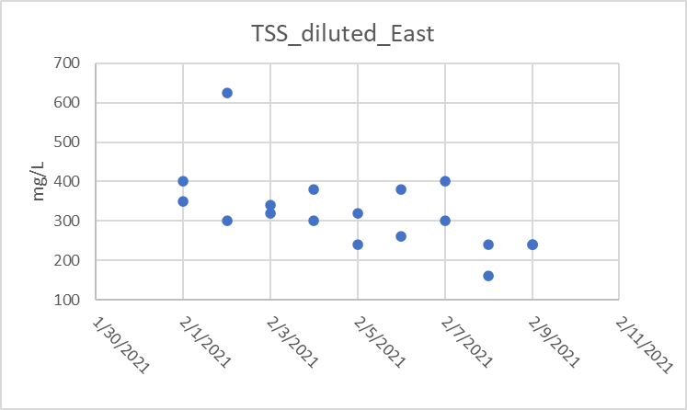
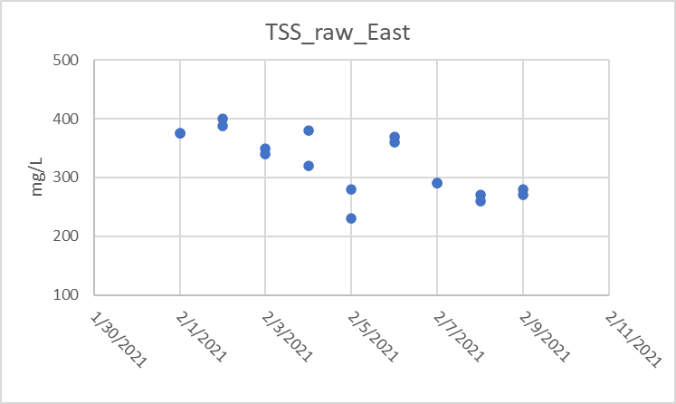
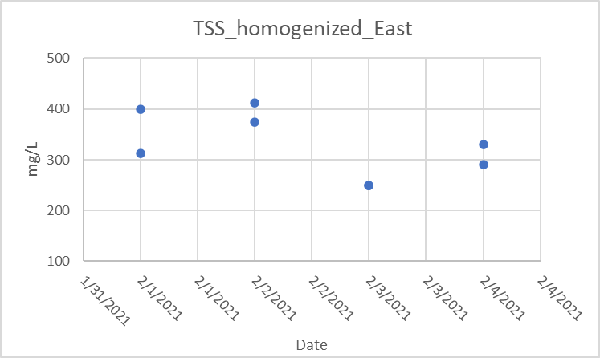

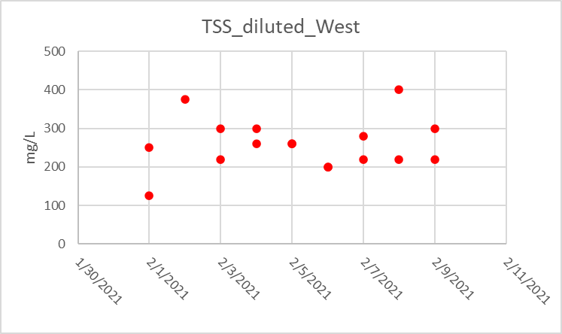
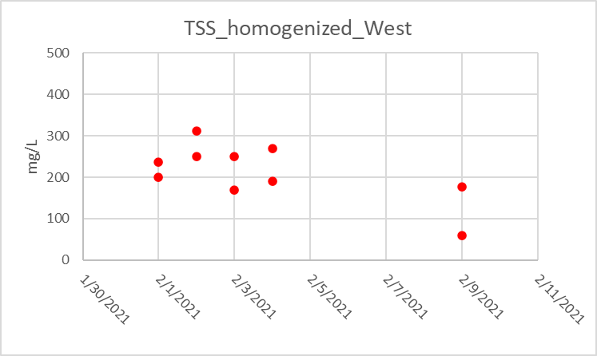
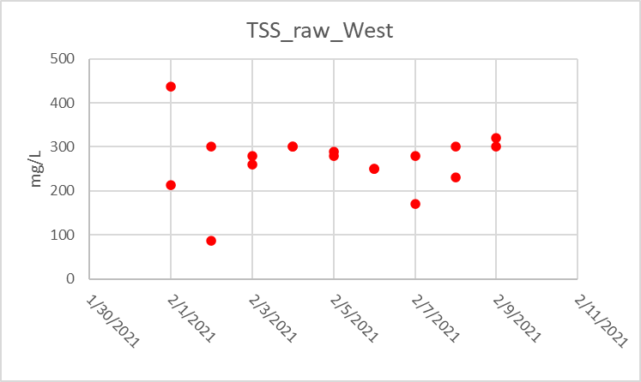

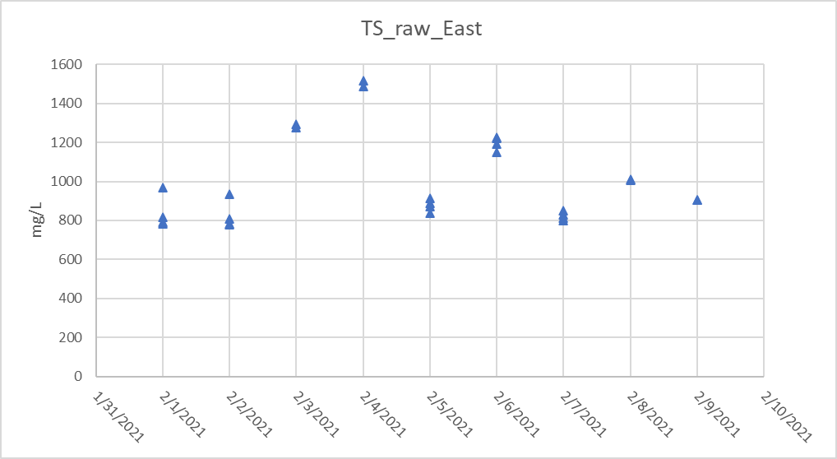
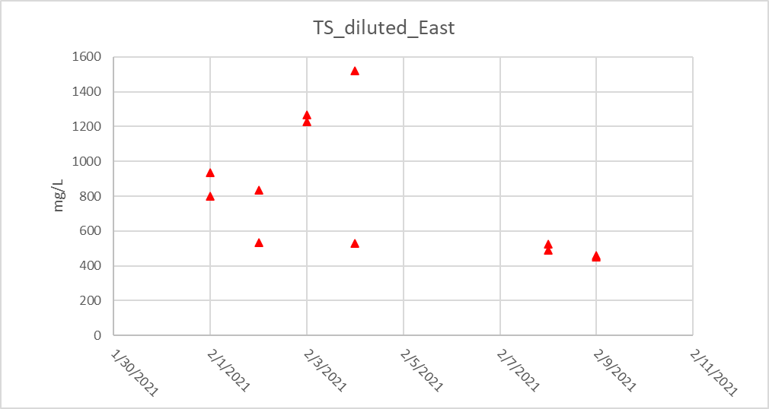

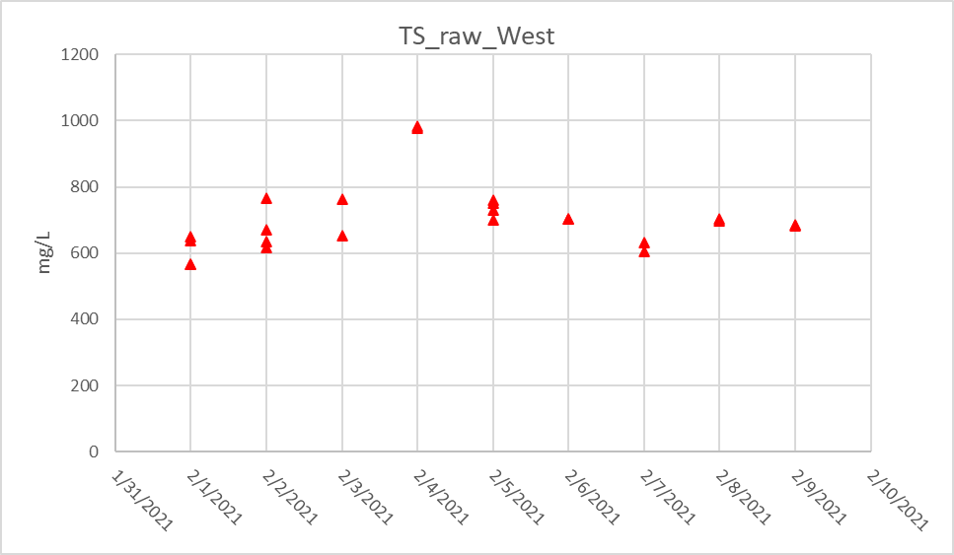
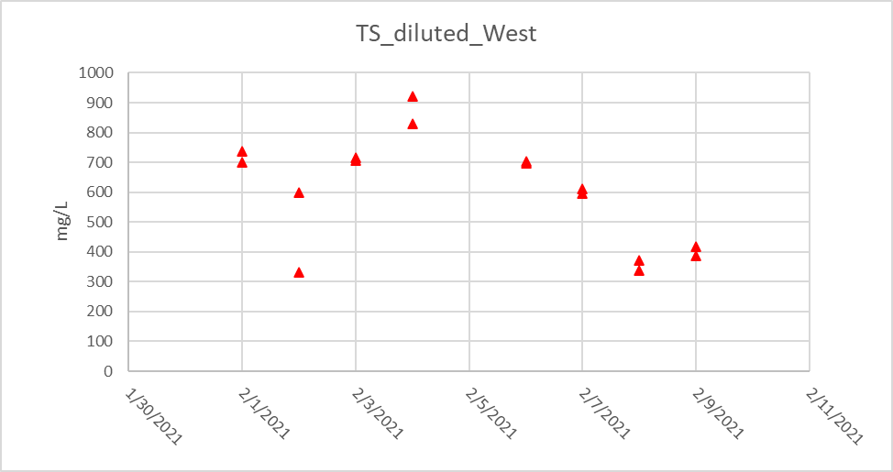

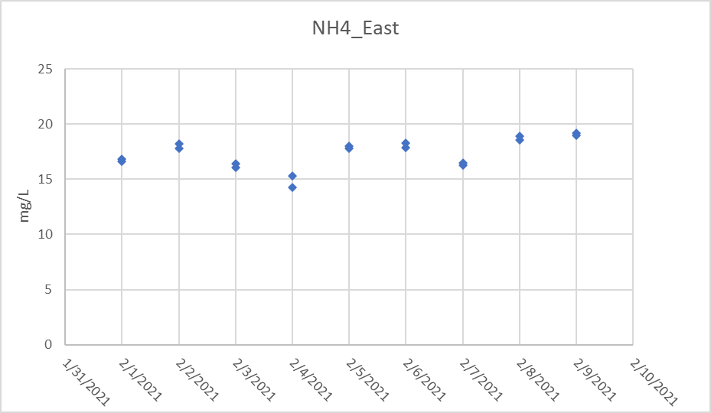
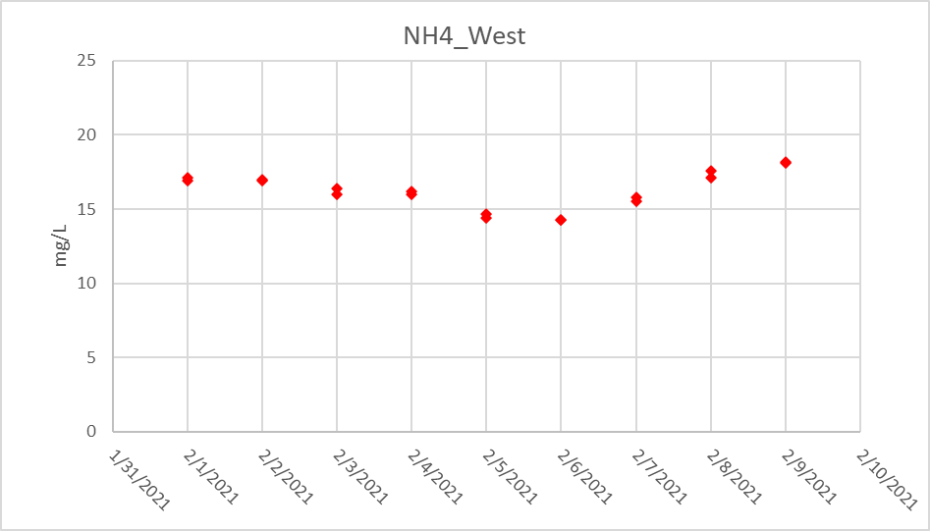

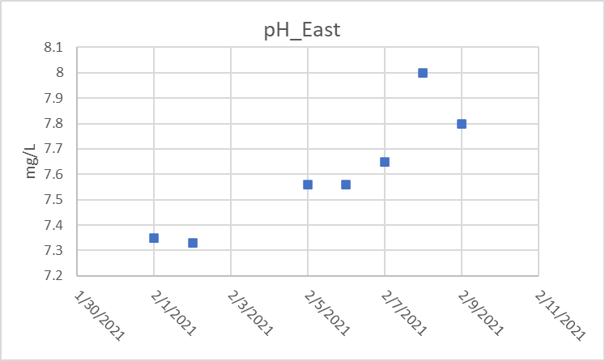
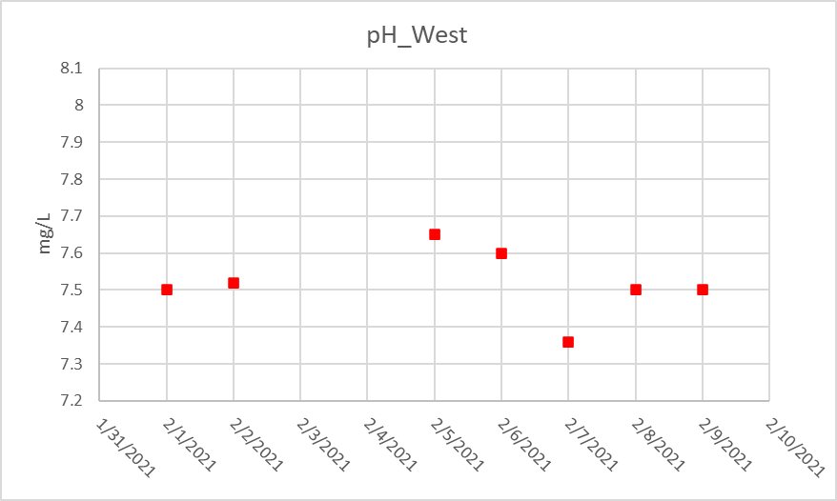

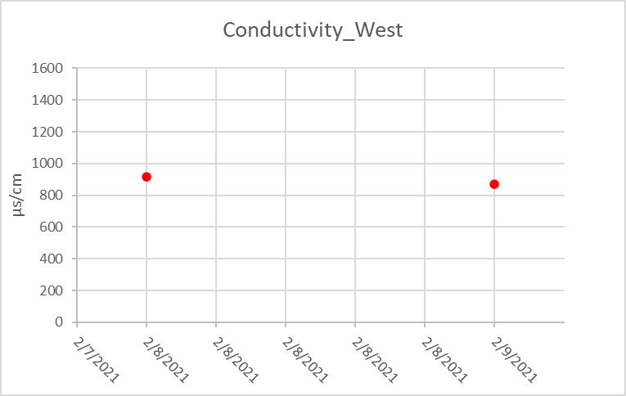
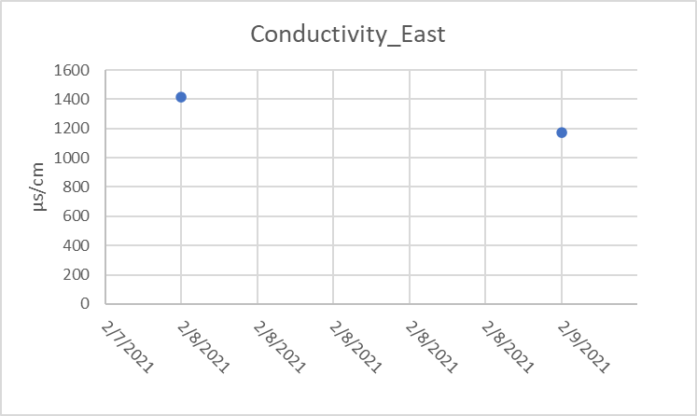

Pivot
 | Column Labels
 | East |  |  |  | East Total | West |  |  |  | West Total | Grand Total
 | TS | TS Total | TSS | TSS Total |  | TS | TS Total | TSS | TSS Total
 | None |  | None |  |  | None |  | None
Average of Value | 977.76332667 | 977.76332667 | 312.421875 | 312.421875 | 690.04810432 | 690.80076438 | 690.80076438 | 275.546875 | 275.546875 | 495.38716938 | 596.83019181

TDS
Measurment | Method | m0 | m1 | Volume (L) | Value | Unit | Station | Date | Average
TS* | None | 4.463 | 4.4991 | 0.051 | 707.84313725 | mg/L | West | 2021-02-18 | 723.73288938
TS* | None | 4.4738 | 4.513 | 0.053 | 739.62264151 | mg/L | West | 2021-02-18 | 525 | 198.73288938
TDS* | None | 4.4547 | 4.4601 | 0.009 | 600 | mg/L | West | 2021-02-18 | 230
TDS* | None | 4.459 | 4.4635 | 0.01 | 450 | mg/L | West | 2021-02-18
TSS* | None | 1.4248 | 1.4263 | 0.01 | 150 | mg/L | West | 2021-02-18
TSS* | None | 1.1708 | 1.1739 | 0.01 | 310 | mg/L | West | 2021-02-18
Conductivity | None |  |  |  | 947 |  | West | 2021-02-18

VdQ
VdQ data
TSS | Unit | Station | Date
320 | mg/L | East | 2021-01-01
#N/A | mg/L | East | 2021-01-02
230 | mg/L | East | 2021-01-03
290 | mg/L | East | 2021-01-04
280 | mg/L | East | 2021-01-05
290 | mg/L | East | 2021-01-06
290 | mg/L | East | 2021-01-07
260 | mg/L | East | 2021-01-08
280 | mg/L | East | 2021-01-09
290 | mg/L | East | 2021-01-10
260 | mg/L | East | 2021-01-11
170 | mg/L | West | 2021-01-01
200 | mg/L | West | 2021-01-02
210 | mg/L | West | 2021-01-03
190 | mg/L | West | 2021-01-04
220 | mg/L | West | 2021-01-05
280 | mg/L | West | 2021-01-06
260 | mg/L | West | 2021-01-07
250 | mg/L | West | 2021-01-08
240 | mg/L | West | 2021-01-09
230 | mg/L | West | 2021-01-10
240 | mg/L | West | 2021-01-11

stdv
TS_stdev
 | TSS_stdev_east |  | TSS_stdev_west |  | TS_stdev_east |  | TS_stdev_west
2/1/21 | 0.00 | 2/1/21 | 159.10 | 2/1/21 | 86.07 | 2/1/21 | 44.92
2/2/21 | 8.84 | 2/2/21 | 150.26
2/3/21 | 7.07 | 2/3/21 | 14.14 | 2/2/21 | 72.53 | 2/2/21 | 66.64
2/4/21 | 42.43 | 2/4/21 | 0.00
2/5/21 | 35.36 | 2/5/21 | 77.78 | 2/3/21 | 12.73 | 2/3/21 | 79.20
2/6/21 | 7.07 | 2/6/21 | 0.00 | 2/4/21 | 19.80 | 2/4/21 | 4.24
2/7/21 | 0.00 | 2/7/21 | 7.07 | 2/5/21 | 31.43 | 2/5/21 | 26.85
2/8/21 | 7.07 | 2/8/21 | 49.50
2/9/21 | 7.07 | 2/9/21 | 14.14 | 2/6/21 | 34.77 | 2/6/21 | 1.41
2/10/21 | 49.50 | 2/10/21 | 28.28 |  |  |  | 19.80
2/11/21 | 7.07 | 2/11/21 | 28.28 | 2/7/21 | 22.53 | 2/7/21 | 4.24
2/12/21 | 0.00 | 2/12/21 | 212.13 |  |  |  | 1.41
2/13/21 | 42.43 | 2/13/21 | 21.21 | 2/8/21 | 4.24 | 2/8/21 | 39.43
2/14/21 | 56.57 | 2/14/21 | 14.14 | 2/9/21 | 0.00 | 2/9/21 | 0.89
2/17/21 | 49.50 | 2/17/21 | 56.57 | 2/10/21 | 18.19 | 2/10/21 | 2.46
2/18/21 | 14.14 | 2/18/21 | 42.43 | 2/11/21 | 4.16 | 2/11/21 | 9.96
 |  |  |  | 2/12/21 | 13.36 | 2/12/21 | 123.04
 |  |  |  | 2/13/21 | 24.34 | 2/13/21 | 14.14
 |  |  |  | 2/14/21 | 81.71 | 2/14/21 | 22.47
 |  |  |  | 2/17/21 | #N/A | 2/17/21
 |  |  |  | 2/18/21 | 28.28 | 2/18/21
Measurement | Date | Station | Value (mg/L) | stdev | Station | Value (mg/L) | Stdv | Measurement | Date | Station | Value (mg/L) | stdev | Date | Station | Value (mg/L) | stdev
TSS | 2021-02-01 | East | 375 | 0.00 | West | 212.5 | 159.10 | TS | 2021-02-01 | East | 790.00 | 86.07 | 2021-02-01 | West | 638.00 | 44.92
TSS |  | East | 375 |  | West | 437.5 |  | TS |  | East | 784.00 |  |  | West | 650.00
TSS | 2021-02-02 | East | 400 | 8.84 | West | 87.5 | 150.26 | TS |  | East | 816.67 |  |  | West | 566.67
TSS |  | East | 387.5 |  | West | 300 |  | TS |  | East | 966.67 |  |  | West | 566.67
TSS | 2021-02-03 | East | 340 | 7.07 | West | 280 | 14.14 | TS | 2021-02-02 | East | 780.00 | 72.53 | 2021-02-02 | West | 636.00 | 66.64
TSS |  | East | 350 |  | West | 260 |  | TS |  | East | 808.00 |  |  | West | 670.00
TSS | 2021-02-04 | East | 380 | 42.43 | West | 300 | 0.00 | TS |  | East | 783.33 |  |  | West | 766.67
TSS |  | East | 320 |  | West | 300 |  | TS |  | East | 933.33 |  |  | West | 616.67
TSS | 2021-02-05 | East | 280 | 35.36 | West | 170 | 77.78 | TS | 2021-02-03 | East | 1294.00 | 12.73 | 2021-02-03 | West | 652.00 | 79.20
TSS |  | East | 230 |  | West | 280 |  | TS |  | East | 1276.00 |  |  | West | 764.00
TSS | 2021-02-06 | East | 360 | 7.07 | West | 250 | 0.00 | TS | 2021-02-04 | East | 1516.00 | 19.80 | 2021-02-04 | West | 978.00 | 4.24
TSS |  | East | 370 |  | West | 250 |  | TS |  | East | 1488.00 |  |  | West | 984.00
TSS | 2021-02-07 | East | 290 | 0.00 | West | 280 | 7.07 | TS | 2021-02-05 | East | 912.00 | 31.43 | 2021-02-05 | West | 752.00 | 26.85
TSS |  | East | 290 |  | West | 290 |  | TS |  | East | 838.00 |  |  | West | 760.00
TSS | 2021-02-08 | East | 270 | 7.07 | West | 300 | 49.50 | TS |  | East | 870.00 |  |  | West | 700.00
TSS |  | East | 260 |  | West | 230 |  | TS |  | East | 890.00 |  |  | West | 730.00
TSS | 2021-02-09 | East | 270 | 7.07 | West | 300 | 14.14 | TS | 2021-02-06 | East | 1150.00 | 34.77 | 2021-02-06 | West | 702.00 | 1.41
TSS |  | East | 280 |  | West | 320 |  | TS |  | East | 1226.00 |  |  | West | 704.00
TSS | 2021-02-10 | East | 280 | 49.50 | West | 300 | 28.28 | TS |  | East | 1220.00 |  | 2021-02-07 | West | 604.00 | 19.80
TSS |  | East | 210 |  | West | 260 |  | TS |  | East | 1190.00 |  |  | West | 632.00
TSS | 2021-02-11 | East | 290 | 7.07 | West | 280 | 28.28 | TS | 2021-02-07 | East | 798.00 | 22.53 | 2021-02-08 | West | 704.00 | 4.24
TSS |  | East | 280 |  | West | 320 |  | TS |  | East | 812.00 |  |  | West | 698.00
TSS | 2021-02-12 | East | 320 | 0.00 | West | 200 | 212.13 | TS |  | East | 850.00 |  | 2021-02-09 | West | 682.00 | 1.41
TSS |  | East | 320 |  | West | 500 |  | TS |  | East | 830.00 |  |  | West | 684.00
TSS | 2021-02-13 | East | 260 | 42.43 | West | 270 | 21.21 | TS | 2021-02-08 | East | 1006.00 | 4.24 | 2021-02-10 | West | 656.00 | 39.43
TSS |  | East | 320 |  | West | 240 |  | TS |  | East | 1012.00 |  |  | West | 711.76
TSS | 2021-02-14 | East | 440 | 56.57 | West | 240 | 14.14 | TS | 2021-02-09 | East | 906.00 | 0.00 | 2021-02-11 | West | 662.75 | 0.89
TSS |  | East | 360 |  | West | 260 |  | TS |  | East | 906.00 |  |  | West | 664.00
TSS | 2021-02-17 | East | 320 | 49.50 | West | 330 | 56.57 | TS | 2021-02-10 | East | 812.00 | 18.19 | 2021-02-12 | West | 618.75 | 2.46
TSS |  | East | 250 |  | West | 250 |  | TS |  | East | 786.27 |  |  | West | 622.22
TSS | 2021-02-18 | East | 270 | 14.14 | West | 290 | 42.43 | TS | 2021-02-11 | East | 700.00 | 4.16 | 2021-02-13 | West | 652.38 | 9.96
TSS |  | East | 250 |  | West | 230 |  | TS |  | East | 694.12 |  |  | West | 638.30
 |  |  |  |  |  |  |  | TS | 2021-02-12 | East | 774.00 | 13.362875089 | 2021-02-14 | West | 554.00 | 123.04
 |  |  |  |  |  |  |  | TS |  | East | 755.10 |  |  | West | 728.00
 |  |  |  |  |  |  |  | TS | 2021-02-13 | East | 760.00 | 24.337628748 | 2021-02-17 | West | 750.00 | 14.14
 |  |  |  |  |  |  |  | TS |  | East | 725.58 |  |  | West | 770.00
 |  |  |  |  |  |  |  | TS | 2021-02-14 | East | 1048.89 | 81.710116937 | 2021-02-18 | West | 707.84 | 22.47
 |  |  |  |  |  |  |  | TS |  | East | 933.33 |  |  | West | 739.62
 |  |  |  |  |  |  |  | TS | 2021-02-17 | East | 1064.00 | #N/A
 |  |  |  |  |  |  |  | TS |  | East | #N/A
 |  |  |  |  |  |  |  | TS | 2021-02-18 | East | 958.00 | 28.28
 |  |  |  |  |  |  |  | TS |  | East | 998.00

